Data Machine
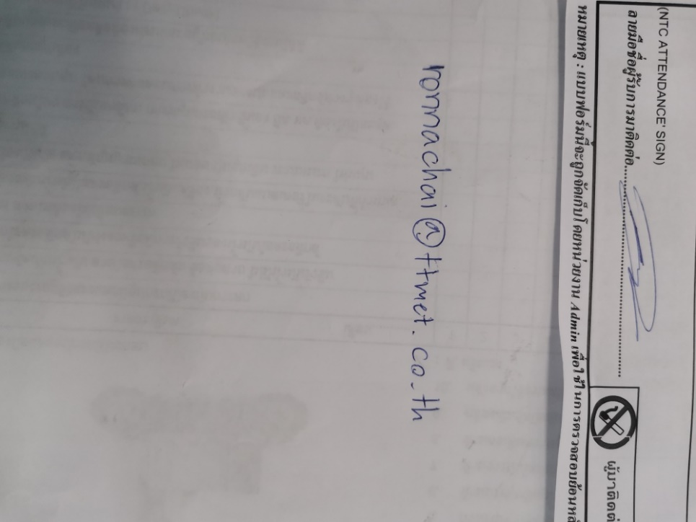
Form data machine
1 | 2 | 3 | 4 | 5 | 6 | 7 | 8 | 9 | 10 | 11 | 12 | 13 | 14 | 15 | 16 | 17 | 18
No | Weld time | Judge | Hold time | Collapse | Judge | Energy | Judge | Peak power | Judge | Pressure | Speed1 | Speed2 | Power level | Soft start | Bank no. | Date | Time
3509 | 0.388 | Good | 0.800 | 0.849 | Good | 391.83 | Good | 1512 | Good | 0.515 | 125 | 0.4 | 5 | 0.15 | 12 | 2022-02-09 | 15:20:01
3510 | 0.398 | Good | 0.800 | 0.863 | Good | 404.25 | Good | 1670 | Good | 0.517 | 123 | 0.2 | 5 | 0.15 | 12 | 2022-02-09 | 15:20:25
3511 | 0.424 | Good | 0.061 | 0.970 | No Good | 464.76 | Good | 2494 | Good | 0.514 | 126 | 0.2 | 5 | 0.15 | 12 | 2022-02-09 | 15:34:13

 |  | 0 = Good |  |  | 0 = Good |  | 0 = Good |  | 0 = Good |  |  |  |  | 1 = 0.025
 |  | 1 = No Good |  |  | 1 = No Good |  | 1 = No Good |  | 1 = No Good |  |  |  |  | 2 = 0.050
 |  |  |  |  |  |  |  |  |  |  |  |  |  | 3 = 0.100
 |  |  |  |  |  |  |  |  |  |  |  |  |  | 4 = 0.150
18
17
16
1
2
4
5
7
9
11
12
13
14
15
8
10
3
6
 |  |  |  |  |  |  |  |  |  |  |  |  |  | 5 = 0.200

Overview
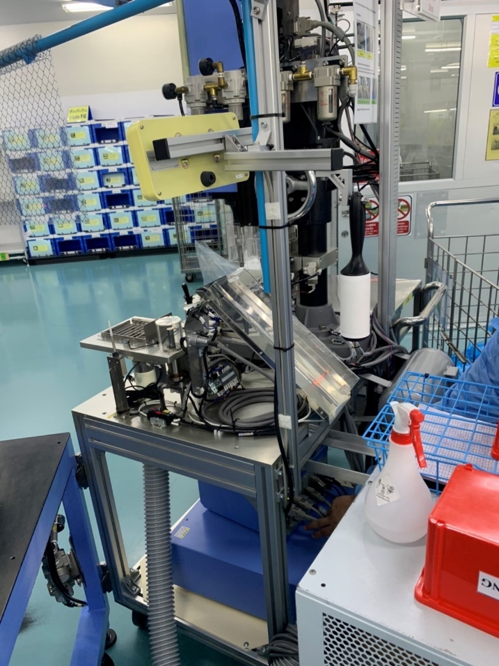

 |  |  | Line A
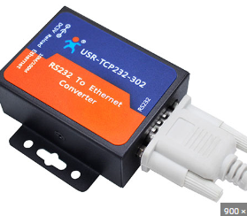

 |  |  | M/C 1

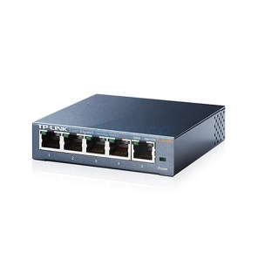

LAN
 |  |  | M/C 2
RS232

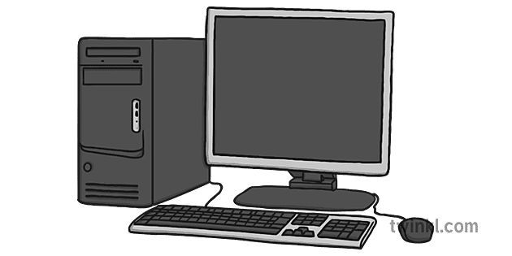
 |  |  | Line B
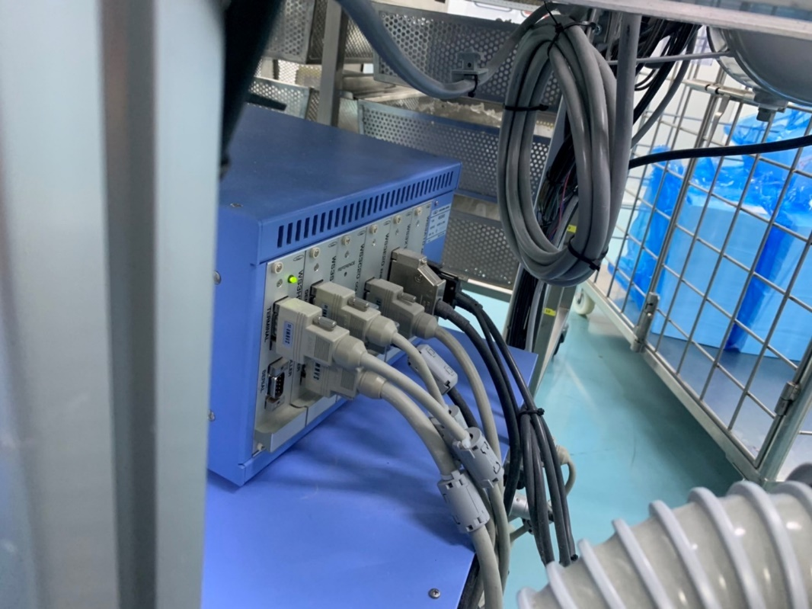

 |  |  | M/C 1

No | Description | Scope
1 | Computer | Nifco | M/C 2
2 | Support Computer | Nifco
3 | Software and other | Tsusho
4 | Switch hub | Tsusho
5 | Lan | Tsusho
6 | UPS | Nifco
7 | RS232 | Tsusho
8 | RS232 to Lan | Tsusho

Manual
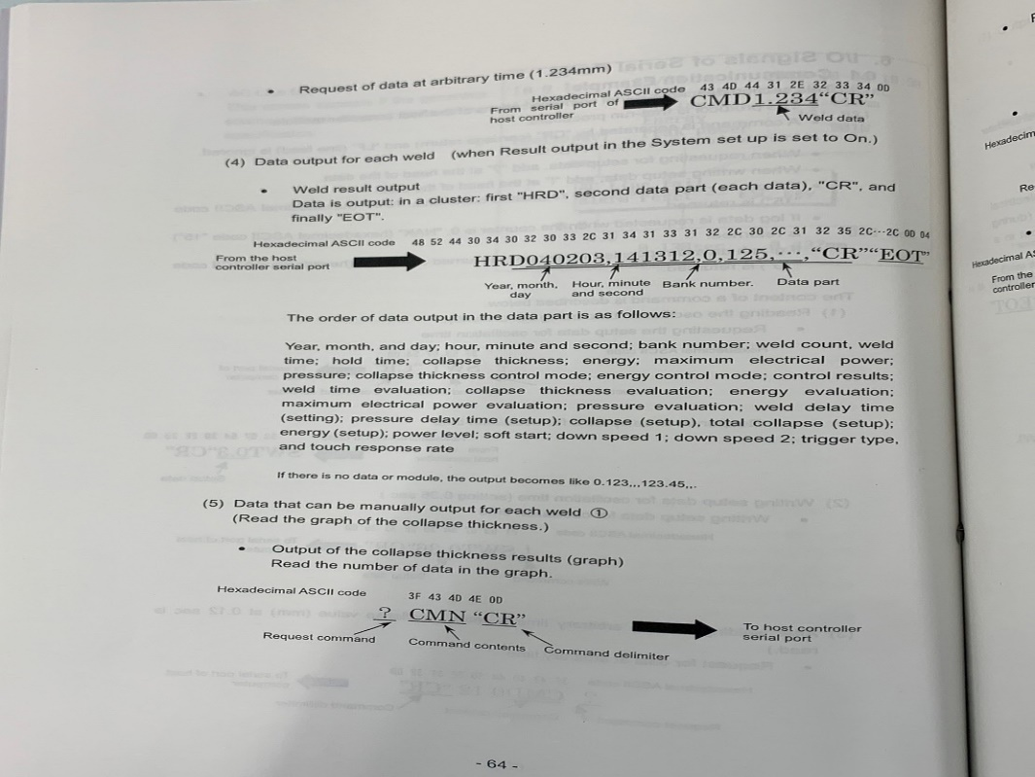

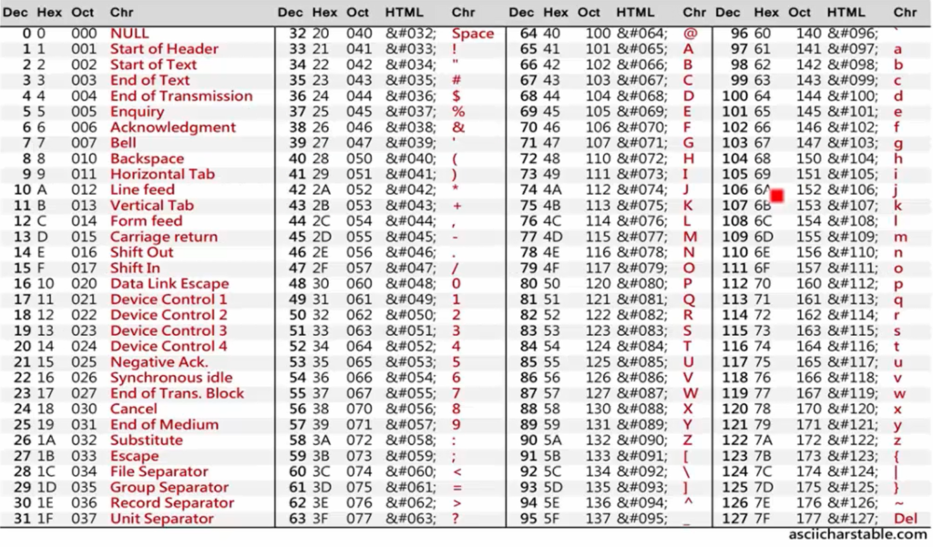

Example
ANDON page
Search
Export csv
Date start :
DD/MM/YYYY HH:MM
Date end :
M/C :
Search page
DD/MM/YYYY HH:MM
MC : A
Actual : 3510
OK : 2
NG : 0
RESET
MC : B
Actual : 3603
OK : 3
NG : 1
SAVE
RESET
SAVE

Reset OK,NG

*user can read data from search page. format same csv.
Web Page 1/2
Web Page 2/2
CSV file

Format CSV file

แบบที่ลูกค้าออกแบบ

No | Weld time | Judge | Hold time | Collapse | Judge | Energy | Judge | Peak power | Judge | Pressure | Speed1 | Speed2 | Power level | Soft start | Bank no. | Date | Time
3509 | 0.388 | Good | 0.800 | 0.849 | Good | 391.83 | Good | 1512 | Good | 0.515 | 125 | 0.4 | 5 | 0.15 | 12 | 2022-02-09 | 15:20:01

แบบที่ออกแบบใหม่

Date | M/C name | OK | NG | No | Weld time | Judge | Hold time | Collapse | Judge | Energy | Judge | Peak power | Judge | Pressure | Speed1 | Speed2 | Power level | Soft start | Bank no.
2022-02-09 15:20:01 | A | 1 | 0 | 3509 | 0.388 | Good | 0.800 | 0.849 | Good | 391.83 | Good | 1512 | Good | 0.515 | 125 | 0.4 | 5 | 0.15 | 12
2022-02-09 15:25:00 | A | 1 | 0 | 3510 | 0.388 | No Good | 0.800 | 0.849 | Good | 391.83 | Good | 1512 | Good | 0.515 | 125 | 0.4 | 5 | 0.15 | 12

Date | M/C name | OK | NG | No | Weld time | Judge | Hold time | Collapse | Judge | Energy | Judge | Peak power | Judge | Pressure | Speed1 | Speed2 | Power level | Soft start | Bank no.
2022-02-09 15:20:01 | B | 1 | 0 | 3600 | 0.388 | Good | 0.800 | 0.849 | Good | 391.83 | Good | 1512 | Good | 0.515 | 125 | 0.4 | 5 | 0.15 | 12
2022-02-09 15:25:00 | B | 0 | 1 | 3601 | 0.388 | No Good | 0.800 | 0.849 | Good | 391.83 | Good | 1512 | Good | 0.515 | 125 | 0.4 | 5 | 0.15 | 12
2022-02-09 15:40:00 | B | 1 | 0 | 3602 | 0.388 | Good | 0.800 | 0.849 | Good | 391.83 | Good | 1512 | Good | 0.515 | 125 | 0.4 | 5 | 0.15 | 12
2022-02-09 15:43:00 | B | 1 | 0 | 3603 | 0.388 | Good | 0.800 | 0.849 | Good | 391.83 | Good | 1512 | Good | 0.515 | 125 | 0.4 | 5 | 0.15 | 12

Save
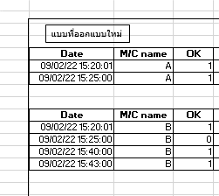
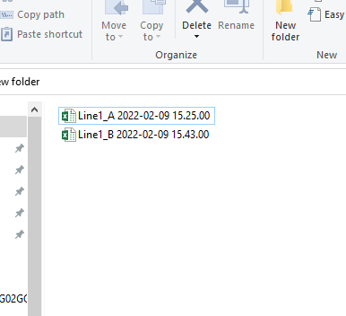

Line1 machineA วันที่ 9 Feb 2022 เวลา 15นาฬิกา 25นาที 0วินาที

Line1 machineB วันที่ 9 Feb 2022 เวลา 15นาฬิกา 43นาที 0วินาที

Data from MC (new)
01 | 02 | 03 | 04 | 05 | 06 | 07 | 08 | 09 | 10 | 11 | 12 | 13 | 14 | 15 | 16 | 17 | 18 | 19 | 20 | 21 | 22 | 23 | 24 | 25 | 26 | 27 | 28 | 29 | 30 | 31 | 32 | 33
Body bone welding M/C (1)
Date | Tme | Bank | No | Weld time | Hole time | Collapse | Energy | Peak power | Pressure | Collapse control mode | Energy control mode | Control result | Weld time evaluation | Collapse evaluation | Energy evaluation | Peak power evaluation | Pressure evaluation | Weld delay time | Pressure deley time | Collaspe (setup) | Total collaspe (setup) | Energy (setup) | Power level | Soft start | Down speed 1 | Down speed 2 | Trigger type | Touch response | Date Time | MC Name | OK | NG
HRD221129 | 133448 | 17 | 1117 | 0.074 | 0.4 | 0.396 | 45.56 | 812 |  | 0 | 1 | 6 | 0 | 0 | 0 | 0 | 0 | 0.5 | 0.5 |  |  | 45 | 5 | 1 | 92 | 85.3 | 1 | 0
HRD221129 | 133500 | 17 | 1118 | 0.074 | 0.4 | 0.418 | 45.45 | 793 |  | 0 | 1 | 6 | 0 | 0 | 0 | 0 | 0 | 0.5 | 0.5 |  |  | 45 | 5 | 1 | 92 | 84.3 | 1 | 0
HRD221129 | 133512 | 17 | 1119 | 0.073 | 0.4 | 0.414 | 45.4 | 798 |  | 0 | 1 | 6 | 0 | 0 | 0 | 0 | 0 | 0.5 | 0.5 |  |  | 45 | 5 | 1 | 92 | 85.2 | 1 | 0
HRD221129 | 133522 | 17 | 1120 | 0.074 | 0.4 | 0.397 | 45.1 | 790 |  | 0 | 1 | 6 | 0 | 0 | 0 | 0 | 0 | 0.5 | 0.5 |  |  | 45 | 5 | 1 | 91 | 86 | 1 | 0
HRD221129 | 133532 | 17 | 1121 | 0.074 | 0.4 | 0.409 | 45.55 | 781 |  | 0 | 1 | 6 | 0 | 0 | 0 | 0 | 0 | 0.5 | 0.5 |  |  | 45 | 5 | 1 | 92 | 85.5 | 1 | 0
HRD221129 | 133543 | 17 | 1122 | 0.073 | 0.4 | 0.389 | 45.15 | 791 |  | 0 | 1 | 6 | 0 | 0 | 0 | 0 | 0 | 0.5 | 0.5 |  |  | 45 | 5 | 1 | 92 | 85.4 | 1 | 0
HRD221129 | 133553 | 17 | 1123 | 0.074 | 0.4 | 0.422 | 45.29 | 788 |  | 0 | 1 | 6 | 0 | 0 | 0 | 0 | 0 | 0.5 | 0.5 |  |  | 45 | 5 | 1 | 92 | 85.3 | 1 | 0

Mesh Outside welding M/C (2)
Date | Tme | Bank | No | Weld time | Hole time | Collapse | Energy | Peak power | Pressure | Collapse control mode | Energy control mode | Control result | Weld time evaluation | Collapse evaluation | Energy evaluation | Peak power evaluation | Pressure evaluation | Weld delay time | Pressure deley time | Collaspe (setup) | Total collaspe (setup) | Energy (setup) | Power level | Soft start | Down speed 1 | Down speed 2 | Trigger type | Touch response
HRD221129 | 134013 | 21 | 1131 | 0.496 | 1 | 0.959 | 446.69 | 1279 |  | 2 | 0 | 1 | 0 | 0 | 0 | 0 | 0 | 1 | 1 | 0.87 | 0.97 |  | 5 | 5 | 100 | 2.6 | 1 | 0
HRD221129 | 134022 | 21 | 1132 | 0.493 | 1 | 0.964 | 450.79 | 1323 |  | 2 | 0 | 1 | 0 | 0 | 0 | 0 | 0 | 1 | 1 | 0.87 | 0.97 |  | 5 | 5 | 102 | 2.9 | 1 | 0
HRD221129 | 134033 | 21 | 1133 | 0.502 | 0.612 | 0.97 | 454.07 | 1313 |  | 2 | 0 | 3 | 0 | 0 | 0 | 0 | 0 | 1 | 1 | 0.87 | 0.97 |  | 5 | 5 | 100 | 2.7 | 1 | 0
HRD221129 | 134042 | 21 | 1134 | 0.508 | 0.636 | 0.97 | 454.96 | 1256 |  | 2 | 0 | 3 | 0 | 0 | 0 | 0 | 0 | 1 | 1 | 0.87 | 0.97 |  | 5 | 5 | 100 | 1.8 | 1 | 0
HRD221129 | 134051 | 21 | 1135 | 0.5 | 0.554 | 0.97 | 451.61 | 1271 |  | 2 | 0 | 3 | 0 | 0 | 0 | 0 | 0 | 1 | 1 | 0.87 | 0.97 |  | 5 | 5 | 101 | 2.6 | 1 | 0
HRD221129 | 134102 | 21 | 1136 | 0.496 | 0.831 | 0.97 | 451.84 | 1320 |  | 2 | 0 | 3 | 0 | 0 | 0 | 0 | 0 | 1 | 1 | 0.87 | 0.97 |  | 5 | 5 | 100 | 2.7 | 1 | 0

 |  |  |  |  |  |  |  |  |  | 0=Monitor | 0=Monitor | 0=Weld time | 0=OK | 0=OK | 0=OK | 0=OK | 0=OK |  |  |  |  |  |  | 1 = 0.025 |  |  | 0=Start | 0=Fast |  |  | ok | ng
 |  |  |  |  |  |  |  |  |  | 1=Collapse | 1=Energy | 1=Hold time | 1=NG | 1=NG | 1=NG | 1=NG | 1=NG |  |  |  |  |  |  | 2 = 0.050 |  |  | 1=Switch | 1=Standard
 |  |  |  |  |  |  |  |  |  | 2=Total collaspe |  | 2=Collapse |  |  |  |  |  |  |  |  |  |  |  | 3 = 0.100 |  |  | 2=Touch | 2=Slow
 |  |  |  |  |  |  |  |  |  | 3=Absolute |  | 3=Total collapse |  |  |  |  |  |  |  |  |  |  |  | 4 = 0.150 |  |  | 3=Distance
 |  |  |  |  |  |  |  |  |  | 4=Total absolute |  | 4=Absolute |  |  |  |  |  |  |  |  |  |  |  | 5 = 0.200
 |  |  |  |  |  |  |  |  |  |  |  | 5=Total absolute
 |  |  |  |  |  |  |  |  |  |  |  | 6=Energy
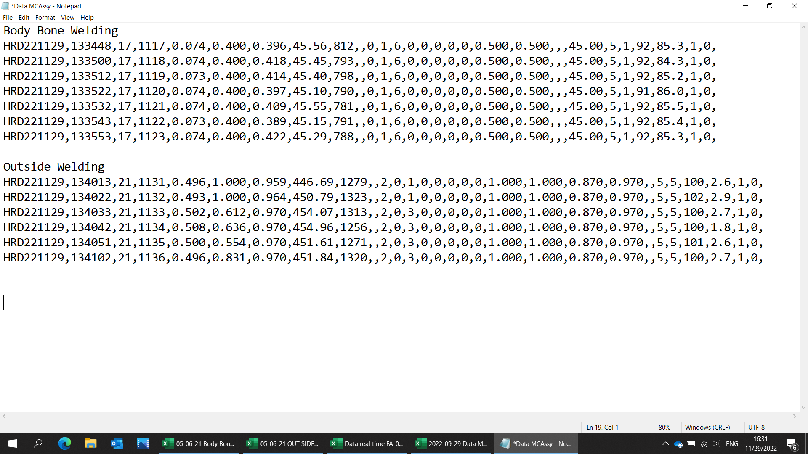

1. แปลงค่าจากตัวเลขเป็นคำ
2. เงื่อนไขการนับ OK,NG คือ
Weld time evaluation
Collapse evaluation
Energy evaluation
Peak power evaluation
Pressure evaluation
(Confirm ลูกค้าว่าทั้ง 5 column หรือไม่)
มีค่าเป็น 0 ทั้งหมด คือ OK
ถ้าหากมี 1 เกิดในตัวใดตัวหนึ่ง คือ NG

Graph
 | Weld+Hold
1 | 0.78 | 0.9 | 0.55
2 | 0.77 | 0.9 | 0.55
3 | 0.74 | 0.9 | 0.55
4 | 0.72 | 0.9 | 0.55
5 | 0.78 | 0.9 | 0.55
6 | 0.73 | 0.9 | 0.55
7 | 0.72 | 0.9 | 0.55
8 | 0.78 | 0.9 | 0.55
9 | 0.71 | 0.9 | 0.55
10 | 0.78 | 0.9 | 0.55
11 | 0.77 | 0.9 | 0.55
12 | 0.71 | 0.9 | 0.55
13 | 0.74 | 0.9 | 0.55
14 | 0.76 | 0.9 | 0.55
15 | 0.76 | 0.9 | 0.55
16 | 0.71 | 0.9 | 0.55
17 | 0.76 | 0.9 | 0.55
18 | 0.70 | 0.9 | 0.55
19 | 0.74 | 0.9 | 0.55
20 | 0.78 | 0.9 | 0.55
21 | 0.79 | 0.9 | 0.55
22 | 0.72 | 0.9 | 0.55
23 | 0.73 | 0.9 | 0.55
24 | 0.75 | 0.9 | 0.55
25 | 0.71 | 0.9 | 0.55
26 | 0.75 | 0.9 | 0.55
27 | 0.76 | 0.9 | 0.55
28 | 0.79 | 0.9 | 0.55
29 | 0.71 | 0.9 | 0.55
30 | 0.71 | 0.9 | 0.55
31 | 0.79 | 0.9 | 0.55
32 | 0.74 | 0.9 | 0.55
33 | 0.70 | 0.9 | 0.55
34 | 0.75 | 0.9 | 0.55
35 | 0.80 | 0.9 | 0.55
36 | 0.72 | 0.9 | 0.55
37 | 0.75 | 0.9 | 0.55
38 | 0.75 | 0.9 | 0.55
39 | 0.74 | 0.9 | 0.55
40 | 0.76 | 0.9 | 0.55
41 | 0.74 | 0.9 | 0.55
42 | 0.74 | 0.9 | 0.55
43 | 0.71 | 0.9 | 0.55
44 | 0.70 | 0.9 | 0.55
45 | 0.75 | 0.9 | 0.55
46 | 0.73 | 0.9 | 0.55
47 | 0.70 | 0.9 | 0.55
48 | 0.73 | 0.9 | 0.55
49 | 0.74 | 0.9 | 0.55
50 | 0.75 | 0.9 | 0.55
...
 |  |  |  |  | No | Weld+Hold | Upper | Lower
 |  |  |  |  | 1 | 0.78 | 0.9 | 0.55
No | Weld+Hold |  | Upper | Lower | 2 | 0.77 | 0.9 | 0.55
1 | 0.1 | 0.7 | 0.9 | 0.55 | 3 | 0.74 | 0.9 | 0.55
 |  |  |  |  | 4 | 0.72 | 0.9 | 0.55
 |  |  |  |  | 5 | 0.78 | 0.9 | 0.55
 |  |  |  |  | 6 | 0.73 | 0.9 | 0.55
 |  |  |  |  | 7 | 0.72 | 0.9 | 0.55
 |  |  |  |  | 8 | 0.78 | 0.9 | 0.55
 |  |  |  |  | 9 | 0.71 | 0.9 | 0.55
 |  |  |  |  | 10 | 0.78 | 0.9 | 0.55
 |  |  |  |  | 11 | 0.77 | 0.9 | 0.55
 |  |  |  |  | 12 | 0.71 | 0.9 | 0.55
 |  |  |  |  | 13 | 0.74 | 0.9 | 0.55
 |  |  |  |  | 14 | 0.76 | 0.9 | 0.55
 |  |  |  |  | 15 | 0.76 | 0.9 | 0.55
 |  |  |  |  | 16 | 0.71 | 0.9 | 0.55
 |  |  |  |  | 17 | 0.76 | 0.9 | 0.55
 |  |  |  |  | 18 | 0.70 | 0.9 | 0.55
 |  |  |  |  | 19 | 0.74 | 0.9 | 0.55
 |  |  |  |  | 20 | 0.78 | 0.9 | 0.55
 |  |  |  |  | 21 | 0.79 | 0.9 | 0.55
 |  |  |  |  | 22 | 0.72 | 0.9 | 0.55
 |  |  |  |  | 23 | 0.73 | 0.9 | 0.55
 |  |  |  |  | 24 | 0.75 | 0.9 | 0.55
 |  |  |  |  | 25 | 0.71 | 0.9 | 0.55
 |  |  |  |  | 26 | 0.75 | 0.9 | 0.55
 |  |  |  |  | 27 | 0.76 | 0.9 | 0.55
 |  |  |  |  | 28 | 0.79 | 0.9 | 0.55
 |  |  |  |  | 29 | 0.71 | 0.9 | 0.55
 |  |  |  |  | 30 | 0.71 | 0.9 | 0.55
 |  |  |  |  | 31 | 0.79 | 0.9 | 0.55
 |  |  |  |  | 32 | 0.74 | 0.9 | 0.55
 |  |  |  |  | 33 | 0.70 | 0.9 | 0.55
 |  |  |  |  | 34 | 0.75 | 0.9 | 0.55
 |  |  |  |  | 35 | 0.80 | 0.9 | 0.55
 |  |  |  |  | 36 | 0.72 | 0.9 | 0.55
 |  |  |  |  | 37 | 0.75 | 0.9 | 0.55
 |  |  |  |  | 38 | 0.75 | 0.9 | 0.55
 |  |  |  |  | 39 | 0.74 | 0.9 | 0.55
 |  |  |  |  | 40 | 0.76 | 0.9 | 0.55
 |  |  |  |  | 41 | 0.74 | 0.9 | 0.55
 |  |  |  |  | 42 | 0.74 | 0.9 | 0.55
 |  |  |  |  | 43 | 0.71 | 0.9 | 0.55
 |  |  |  |  | 44 | 0.70 | 0.9 | 0.55
 |  |  |  |  | 45 | 0.75 | 0.9 | 0.55
 |  |  |  |  | 46 | 0.73 | 0.9 | 0.55
 |  |  |  |  | 47 | 0.70 | 0.9 | 0.55
 |  |  |  |  | 48 | 0.73 | 0.9 | 0.55
 |  |  |  |  | 49 | 0.74 | 0.9 | 0.55
 |  |  |  |  | 50 | 0.75 | 0.9 | 0.55
 |  |  |  |  | 51 | 0.77 | 0.9 | 0.55
 |  |  |  |  | 52 | 0.78 | 0.9 | 0.55
 |  |  |  |  | 53 | 0.79 | 0.9 | 0.55
 |  |  |  |  | 54 | 0.73 | 0.9 | 0.55
 |  |  |  |  | 55 | 0.71 | 0.9 | 0.55
 |  |  |  |  | 56 | 0.72 | 0.9 | 0.55
 |  |  |  |  | 57 | 0.78 | 0.9 | 0.55
 |  |  |  |  | 58 | 0.75 | 0.9 | 0.55
 |  |  |  |  | 59 | 0.80 | 0.9 | 0.55
 |  |  |  |  | 60 | 0.76 | 0.9 | 0.55
 |  |  |  |  | 61 | 0.74 | 0.9 | 0.55
 |  |  |  |  | 62 | 0.79 | 0.9 | 0.55
 |  |  |  |  | 63 | 0.73 | 0.9 | 0.55
 |  |  |  |  | 64 | 0.73 | 0.9 | 0.55
 |  |  |  |  | 65 | 0.72 | 0.9 | 0.55
 |  |  |  |  | 66 | 0.76 | 0.9 | 0.55
 |  |  |  |  | 67 | 0.76 | 0.9 | 0.55
 |  |  |  |  | 68 | 0.73 | 0.9 | 0.55
 |  |  |  |  | 69 | 0.75 | 0.9 | 0.55
 |  |  |  |  | 70 | 0.77 | 0.9 | 0.55
 |  |  |  |  | 71 | 0.74 | 0.9 | 0.55
 |  |  |  |  | 72 | 0.78 | 0.9 | 0.55
 |  |  |  |  | 73 | 0.79 | 0.9 | 0.55
 |  |  |  |  | 74 | 0.76 | 0.9 | 0.55
 |  |  |  |  | 75 | 0.74 | 0.9 | 0.55
 |  |  |  |  | 76 | 0.72 | 0.9 | 0.55
 |  |  |  |  | 77 | 0.79 | 0.9 | 0.55
 |  |  |  |  | 78 | 0.76 | 0.9 | 0.55
 |  |  |  |  | 79 | 0.70 | 0.9 | 0.55
 |  |  |  |  | 80 | 0.79 | 0.9 | 0.55
 |  |  |  |  | 81 | 0.77 | 0.9 | 0.55
 |  |  |  |  | 82 | 0.72 | 0.9 | 0.55
 |  |  |  |  | 83 | 0.79 | 0.9 | 0.55
 |  |  |  |  | 84 | 0.80 | 0.9 | 0.55
 |  |  |  |  | 85 | 0.74 | 0.9 | 0.55
 |  |  |  |  | 86 | 0.77 | 0.9 | 0.55
 |  |  |  |  | 87 | 0.79 | 0.9 | 0.55
 |  |  |  |  | 88 | 0.73 | 0.9 | 0.55
 |  |  |  |  | 89 | 0.74 | 0.9 | 0.55
 |  |  |  |  | 90 | 0.72 | 0.9 | 0.55
 |  |  |  |  | 91 | 0.74 | 0.9 | 0.55
 |  |  |  |  | 92 | 0.74 | 0.9 | 0.55
 |  |  |  |  | 93 | 0.76 | 0.9 | 0.55
 |  |  |  |  | 94 | 0.78 | 0.9 | 0.55
 |  |  |  |  | 95 | 0.71 | 0.9 | 0.55
 |  |  |  |  | 96 | 0.73 | 0.9 | 0.55
 |  |  |  |  | 97 | 0.77 | 0.9 | 0.55
 |  |  |  |  | 98 | 0.70 | 0.9 | 0.55
 |  |  |  |  | 99 | 0.77 | 0.9 | 0.55
 |  |  |  |  | 100 | 0.72 | 0.9 | 0.55
 |  |  |  |  | 101 | 0.80 | 0.9 | 0.55
 |  |  |  |  | 102 | 0.77 | 0.9 | 0.55
 |  |  |  |  | 103 | 0.73 | 0.9 | 0.55
 |  |  |  |  | 104 | 0.71 | 0.9 | 0.55
 |  |  |  |  | 105 | 0.79 | 0.9 | 0.55
 |  |  |  |  | 106 | 0.71 | 0.9 | 0.55
 |  |  |  |  | 107 | 0.71 | 0.9 | 0.55
 |  |  |  |  | 108 | 0.75 | 0.9 | 0.55
 |  |  |  |  | 109 | 0.72 | 0.9 | 0.55
 |  |  |  |  | 110 | 0.78 | 0.9 | 0.55
 |  |  |  |  | 111 | 0.71 | 0.9 | 0.55
 |  |  |  |  | 112 | 0.75 | 0.9 | 0.55
 |  |  |  |  | 113 | 0.75 | 0.9 | 0.55
 |  |  |  |  | 114 | 0.75 | 0.9 | 0.55
 |  |  |  |  | 115 | 0.71 | 0.9 | 0.55
 |  |  |  |  | 116 | 0.70 | 0.9 | 0.55
 |  |  |  |  | 117 | 0.72 | 0.9 | 0.55
 |  |  |  |  | 118 | 0.74 | 0.9 | 0.55
 |  |  |  |  | 119 | 0.74 | 0.9 | 0.55
 |  |  |  |  | 120 | 0.71 | 0.9 | 0.55
 |  |  |  |  | 121 | 0.79 | 0.9 | 0.55
 |  |  |  |  | 122 | 0.79 | 0.9 | 0.55
 |  |  |  |  | 123 | 0.72 | 0.9 | 0.55
 |  |  |  |  | 124 | 0.73 | 0.9 | 0.55
 |  |  |  |  | 125 | 0.75 | 0.9 | 0.55
 |  |  |  |  | 126 | 0.78 | 0.9 | 0.55
 |  |  |  |  | 127 | 0.72 | 0.9 | 0.55
 |  |  |  |  | 128 | 0.71 | 0.9 | 0.55
 |  |  |  |  | 129 | 0.72 | 0.9 | 0.55
 |  |  |  |  | 130 | 0.73 | 0.9 | 0.55
 |  |  |  |  | 131 | 0.71 | 0.9 | 0.55
 |  |  |  |  | 132 | 0.70 | 0.9 | 0.55
 |  |  |  |  | 133 | 0.73 | 0.9 | 0.55
 |  |  |  |  | 134 | 0.74 | 0.9 | 0.55
 |  |  |  |  | 135 | 0.72 | 0.9 | 0.55
 |  |  |  |  | 136 | 0.80 | 0.9 | 0.55
 |  |  |  |  | 137 | 0.76 | 0.9 | 0.55
 |  |  |  |  | 138 | 0.75 | 0.9 | 0.55
 |  |  |  |  | 139 | 0.76 | 0.9 | 0.55
 |  |  |  |  | 140 | 0.71 | 0.9 | 0.55
 |  |  |  |  | 141 | 0.74 | 0.9 | 0.55
 |  |  |  |  | 142 | 0.79 | 0.9 | 0.55
 |  |  |  |  | 143 | 0.72 | 0.9 | 0.55
 |  |  |  |  | 144 | 0.72 | 0.9 | 0.55
 |  |  |  |  | 145 | 0.71 | 0.9 | 0.55
 |  |  |  |  | 146 | 0.72 | 0.9 | 0.55
 |  |  |  |  | 147 | 0.75 | 0.9 | 0.55
 |  |  |  |  | 148 | 0.76 | 0.9 | 0.55
 |  |  |  |  | 149 | 0.76 | 0.9 | 0.55
 |  |  |  |  | 150 | 0.74 | 0.9 | 0.55
 |  |  |  |  | 151 | 0.76 | 0.9 | 0.55
 |  |  |  |  | 152 | 0.75 | 0.9 | 0.55
 |  |  |  |  | 153 | 0.74 | 0.9 | 0.55
 |  |  |  |  | 154 | 0.77 | 0.9 | 0.55
 |  |  |  |  | 155 | 0.79 | 0.9 | 0.55
 |  |  |  |  | 156 | 0.73 | 0.9 | 0.55
 |  |  |  |  | 157 | 0.74 | 0.9 | 0.55
 |  |  |  |  | 158 | 0.76 | 0.9 | 0.55
 |  |  |  |  | 159 | 0.75 | 0.9 | 0.55
 |  |  |  |  | 160 | 0.79 | 0.9 | 0.55
 |  |  |  |  | 161 | 0.74 | 0.9 | 0.55
 |  |  |  |  | 162 | 0.79 | 0.9 | 0.55
 |  |  |  |  | 163 | 0.79 | 0.9 | 0.55
 |  |  |  |  | 164 | 0.73 | 0.9 | 0.55
 |  |  |  |  | 165 | 0.78 | 0.9 | 0.55
 |  |  |  |  | 166 | 0.74 | 0.9 | 0.55
 |  |  |  |  | 167 | 0.70 | 0.9 | 0.55
 |  |  |  |  | 168 | 0.77 | 0.9 | 0.55
 |  |  |  |  | 169 | 0.73 | 0.9 | 0.55
 |  |  |  |  | 170 | 0.78 | 0.9 | 0.55
 |  |  |  |  | 171 | 0.80 | 0.9 | 0.55
 |  |  |  |  | 172 | 0.72 | 0.9 | 0.55
 |  |  |  |  | 173 | 0.80 | 0.9 | 0.55
 |  |  |  |  | 174 | 0.77 | 0.9 | 0.55
 |  |  |  |  | 175 | 0.78 | 0.9 | 0.55
 |  |  |  |  | 176 | 0.72 | 0.9 | 0.55
 |  |  |  |  | 177 | 0.72 | 0.9 | 0.55
 |  |  |  |  | 178 | 0.73 | 0.9 | 0.55
 |  |  |  |  | 179 | 0.70 | 0.9 | 0.55
 |  |  |  |  | 180 | 0.74 | 0.9 | 0.55
 |  |  |  |  | 181 | 0.77 | 0.9 | 0.55
 |  |  |  |  | 182 | 0.70 | 0.9 | 0.55
 |  |  |  |  | 183 | 0.72 | 0.9 | 0.55
 |  |  |  |  | 184 | 0.70 | 0.9 | 0.55
 |  |  |  |  | 185 | 0.70 | 0.9 | 0.55
 |  |  |  |  | 186 | 0.74 | 0.9 | 0.55
 |  |  |  |  | 187 | 0.78 | 0.9 | 0.55
 |  |  |  |  | 188 | 0.77 | 0.9 | 0.55
 |  |  |  |  | 189 | 0.72 | 0.9 | 0.55
 |  |  |  |  | 190 | 0.75 | 0.9 | 0.55
 |  |  |  |  | 191 | 0.79 | 0.9 | 0.55
 |  |  |  |  | 192 | 0.73 | 0.9 | 0.55
 |  |  |  |  | 193 | 0.78 | 0.9 | 0.55
 |  |  |  |  | 194 | 0.75 | 0.9 | 0.55
 |  |  |  |  | 195 | 0.79 | 0.9 | 0.55
 |  |  |  |  | 196 | 0.74 | 0.9 | 0.55
 |  |  |  |  | 197 | 0.74 | 0.9 | 0.55
 |  |  |  |  | 198 | 0.80 | 0.9 | 0.55
 |  |  |  |  | 199 | 0.74 | 0.9 | 0.55
 |  |  |  |  | 200 | 0.75 | 0.9 | 0.55
 |  |  |  |  | 201 | 0.70 | 0.9 | 0.55
 |  |  |  |  | 202 | 0.72 | 0.9 | 0.55
 |  |  |  |  | 203 | 0.78 | 0.9 | 0.55
 |  |  |  |  | 204 | 0.72 | 0.9 | 0.55
 |  |  |  |  | 205 | 0.71 | 0.9 | 0.55
 |  |  |  |  | 206 | 0.79 | 0.9 | 0.55
 |  |  |  |  | 207 | 0.77 | 0.9 | 0.55
 |  |  |  |  | 208 | 0.73 | 0.9 | 0.55
 |  |  |  |  | 209 | 0.75 | 0.9 | 0.55
 |  |  |  |  | 210 | 0.79 | 0.9 | 0.55
 |  |  |  |  | 211 | 0.72 | 0.9 | 0.55
 |  |  |  |  | 212 | 0.80 | 0.9 | 0.55
 |  |  |  |  | 213 | 0.76 | 0.9 | 0.55
 |  |  |  |  | 214 | 0.77 | 0.9 | 0.55
 |  |  |  |  | 215 | 0.73 | 0.9 | 0.55
 |  |  |  |  | 216 | 0.74 | 0.9 | 0.55
 |  |  |  |  | 217 | 0.74 | 0.9 | 0.55
 |  |  |  |  | 218 | 0.73 | 0.9 | 0.55
 |  |  |  |  | 219 | 0.78 | 0.9 | 0.55
 |  |  |  |  | 220 | 0.76 | 0.9 | 0.55
 |  |  |  |  | 221 | 0.75 | 0.9 | 0.55
 |  |  |  |  | 222 | 0.77 | 0.9 | 0.55
 |  |  |  |  | 223 | 0.78 | 0.9 | 0.55
 |  |  |  |  | 224 | 0.70 | 0.9 | 0.55
 |  |  |  |  | 225 | 0.75 | 0.9 | 0.55
 |  |  |  |  | 226 | 0.72 | 0.9 | 0.55
 |  |  |  |  | 227 | 0.77 | 0.9 | 0.55
 |  |  |  |  | 228 | 0.73 | 0.9 | 0.55
 |  |  |  |  | 229 | 0.78 | 0.9 | 0.55
 |  |  |  |  | 230 | 0.71 | 0.9 | 0.55
 |  |  |  |  | 231 | 0.77 | 0.9 | 0.55
 |  |  |  |  | 232 | 0.73 | 0.9 | 0.55
 |  |  |  |  | 233 | 0.76 | 0.9 | 0.55
 |  |  |  |  | 234 | 0.71 | 0.9 | 0.55
 |  |  |  |  | 235 | 0.78 | 0.9 | 0.55
 |  |  |  |  | 236 | 0.79 | 0.9 | 0.55
 |  |  |  |  | 237 | 0.78 | 0.9 | 0.55
 |  |  |  |  | 238 | 0.72 | 0.9 | 0.55
 |  |  |  |  | 239 | 0.79 | 0.9 | 0.55
 |  |  |  |  | 240 | 0.77 | 0.9 | 0.55
 |  |  |  |  | 241 | 0.77 | 0.9 | 0.55
 |  |  |  |  | 242 | 0.71 | 0.9 | 0.55
 |  |  |  |  | 243 | 0.72 | 0.9 | 0.55
 |  |  |  |  | 244 | 0.79 | 0.9 | 0.55
 |  |  |  |  | 245 | 0.76 | 0.9 | 0.55
 |  |  |  |  | 246 | 0.73 | 0.9 | 0.55
 |  |  |  |  | 247 | 0.80 | 0.9 | 0.55
 |  |  |  |  | 248 | 0.75 | 0.9 | 0.55
 |  |  |  |  | 249 | 0.71 | 0.9 | 0.55
 |  |  |  |  | 250 | 0.80 | 0.9 | 0.55
 |  |  |  |  | 251 | 0.80 | 0.9 | 0.55
 |  |  |  |  | 252 | 0.77 | 0.9 | 0.55
 |  |  |  |  | 253 | 0.71 | 0.9 | 0.55
 |  |  |  |  | 254 | 0.72 | 0.9 | 0.55
 |  |  |  |  | 255 | 0.72 | 0.9 | 0.55
 |  |  |  |  | 256 | 0.76 | 0.9 | 0.55
 |  |  |  |  | 257 | 0.76 | 0.9 | 0.55
 |  |  |  |  | 258 | 0.78 | 0.9 | 0.55
 |  |  |  |  | 259 | 0.76 | 0.9 | 0.55
 |  |  |  |  | 260 | 0.74 | 0.9 | 0.55
 |  |  |  |  | 261 | 0.80 | 0.9 | 0.55
 |  |  |  |  | 262 | 0.75 | 0.9 | 0.55
 |  |  |  |  | 263 | 0.76 | 0.9 | 0.55
 |  |  |  |  | 264 | 0.76 | 0.9 | 0.55
 |  |  |  |  | 265 | 0.73 | 0.9 | 0.55
 |  |  |  |  | 266 | 0.78 | 0.9 | 0.55
 |  |  |  |  | 267 | 0.74 | 0.9 | 0.55
 |  |  |  |  | 268 | 0.78 | 0.9 | 0.55
 |  |  |  |  | 269 | 0.78 | 0.9 | 0.55
 |  |  |  |  | 270 | 0.75 | 0.9 | 0.55
 |  |  |  |  | 271 | 0.76 | 0.9 | 0.55
 |  |  |  |  | 272 | 0.80 | 0.9 | 0.55
 |  |  |  |  | 273 | 0.72 | 0.9 | 0.55
 |  |  |  |  | 274 | 0.73 | 0.9 | 0.55
 |  |  |  |  | 275 | 0.77 | 0.9 | 0.55
 |  |  |  |  | 276 | 0.80 | 0.9 | 0.55
 |  |  |  |  | 277 | 0.80 | 0.9 | 0.55
 |  |  |  |  | 278 | 0.73 | 0.9 | 0.55
 |  |  |  |  | 279 | 0.74 | 0.9 | 0.55
 |  |  |  |  | 280 | 0.74 | 0.9 | 0.55
 |  |  |  |  | 281 | 0.76 | 0.9 | 0.55
 |  |  |  |  | 282 | 0.77 | 0.9 | 0.55
 |  |  |  |  | 283 | 0.75 | 0.9 | 0.55
 |  |  |  |  | 284 | 0.72 | 0.9 | 0.55
 |  |  |  |  | 285 | 0.78 | 0.9 | 0.55
 |  |  |  |  | 286 | 0.77 | 0.9 | 0.55
 |  |  |  |  | 287 | 0.74 | 0.9 | 0.55
 |  |  |  |  | 288 | 0.78 | 0.9 | 0.55
 |  |  |  |  | 289 | 0.77 | 0.9 | 0.55
 |  |  |  |  | 290 | 0.74 | 0.9 | 0.55
 |  |  |  |  | 291 | 0.77 | 0.9 | 0.55
 |  |  |  |  | 292 | 0.74 | 0.9 | 0.55
 |  |  |  |  | 293 | 0.78 | 0.9 | 0.55
 |  |  |  |  | 294 | 0.71 | 0.9 | 0.55
 |  |  |  |  | 295 | 0.73 | 0.9 | 0.55
 |  |  |  |  | 296 | 0.76 | 0.9 | 0.55
 |  |  |  |  | 297 | 0.74 | 0.9 | 0.55
 |  |  |  |  | 298 | 0.76 | 0.9 | 0.55
 |  |  |  |  | 299 | 0.75 | 0.9 | 0.55
 |  |  |  |  | 300 | 0.76 | 0.9 | 0.55
 |  |  |  |  | 301 | 0.72 | 0.9 | 0.55
 |  |  |  |  | 302 | 0.76 | 0.9 | 0.55
 |  |  |  |  | 303 | 0.72 | 0.9 | 0.55
 |  |  |  |  | 304 | 0.70 | 0.9 | 0.55
 |  |  |  |  | 305 | 0.76 | 0.9 | 0.55
 |  |  |  |  | 306 | 0.72 | 0.9 | 0.55
 |  |  |  |  | 307 | 0.76 | 0.9 | 0.55
 |  |  |  |  | 308 | 0.76 | 0.9 | 0.55
 |  |  |  |  | 309 | 0.79 | 0.9 | 0.55
 |  |  |  |  | 310 | 0.78 | 0.9 | 0.55
 |  |  |  |  | 311 | 0.79 | 0.9 | 0.55
 |  |  |  |  | 312 | 0.77 | 0.9 | 0.55
 |  |  |  |  | 313 | 0.74 | 0.9 | 0.55
 |  |  |  |  | 314 | 0.70 | 0.9 | 0.55
 |  |  |  |  | 315 | 0.75 | 0.9 | 0.55
 |  |  |  |  | 316 | 0.78 | 0.9 | 0.55
 |  |  |  |  | 317 | 0.79 | 0.9 | 0.55
 |  |  |  |  | 318 | 0.71 | 0.9 | 0.55
 |  |  |  |  | 319 | 0.79 | 0.9 | 0.55
 |  |  |  |  | 320 | 0.77 | 0.9 | 0.55
 |  |  |  |  | 321 | 0.75 | 0.9 | 0.55
 |  |  |  |  | 322 | 0.79 | 0.9 | 0.55
 |  |  |  |  | 323 | 0.71 | 0.9 | 0.55
 |  |  |  |  | 324 | 0.78 | 0.9 | 0.55
 |  |  |  |  | 325 | 0.75 | 0.9 | 0.55
 |  |  |  |  | 326 | 0.78 | 0.9 | 0.55
 |  |  |  |  | 327 | 0.75 | 0.9 | 0.55
 |  |  |  |  | 328 | 0.73 | 0.9 | 0.55
 |  |  |  |  | 329 | 0.71 | 0.9 | 0.55
 |  |  |  |  | 330 | 0.71 | 0.9 | 0.55
 |  |  |  |  | 331 | 0.70 | 0.9 | 0.55
 |  |  |  |  | 332 | 0.73 | 0.9 | 0.55
 |  |  |  |  | 333 | 0.75 | 0.9 | 0.55
 |  |  |  |  | 334 | 0.74 | 0.9 | 0.55
 |  |  |  |  | 335 | 0.77 | 0.9 | 0.55
 |  |  |  |  | 336 | 0.71 | 0.9 | 0.55
 |  |  |  |  | 337 | 0.74 | 0.9 | 0.55
 |  |  |  |  | 338 | 0.79 | 0.9 | 0.55
 |  |  |  |  | 339 | 0.70 | 0.9 | 0.55
 |  |  |  |  | 340 | 0.80 | 0.9 | 0.55
 |  |  |  |  | 341 | 0.74 | 0.9 | 0.55
 |  |  |  |  | 342 | 0.77 | 0.9 | 0.55
 |  |  |  |  | 343 | 0.76 | 0.9 | 0.55
 |  |  |  |  | 344 | 0.71 | 0.9 | 0.55
 |  |  |  |  | 345 | 0.79 | 0.9 | 0.55
 |  |  |  |  | 346 | 0.71 | 0.9 | 0.55
 |  |  |  |  | 347 | 0.78 | 0.9 | 0.55
 |  |  |  |  | 348 | 0.70 | 0.9 | 0.55
 |  |  |  |  | 349 | 0.80 | 0.9 | 0.55
 |  |  |  |  | 350 | 0.80 | 0.9 | 0.55
 |  |  |  |  | 351 | 0.78 | 0.9 | 0.55
 |  |  |  |  | 352 | 0.78 | 0.9 | 0.55
 |  |  |  |  | 353 | 0.71 | 0.9 | 0.55
 |  |  |  |  | 354 | 0.74 | 0.9 | 0.55
 |  |  |  |  | 355 | 0.76 | 0.9 | 0.55
 |  |  |  |  | 356 | 0.73 | 0.9 | 0.55
 |  |  |  |  | 357 | 0.74 | 0.9 | 0.55
 |  |  |  |  | 358 | 0.74 | 0.9 | 0.55
 |  |  |  |  | 359 | 0.76 | 0.9 | 0.55
 |  |  |  |  | 360 | 0.72 | 0.9 | 0.55
 |  |  |  |  | 361 | 0.75 | 0.9 | 0.55
 |  |  |  |  | 362 | 0.74 | 0.9 | 0.55
 |  |  |  |  | 363 | 0.78 | 0.9 | 0.55
 |  |  |  |  | 364 | 0.71 | 0.9 | 0.55
 |  |  |  |  | 365 | 0.79 | 0.9 | 0.55
 |  |  |  |  | 366 | 0.73 | 0.9 | 0.55
 |  |  |  |  | 367 | 0.73 | 0.9 | 0.55
 |  |  |  |  | 368 | 0.75 | 0.9 | 0.55
 |  |  |  |  | 369 | 0.80 | 0.9 | 0.55
 |  |  |  |  | 370 | 0.76 | 0.9 | 0.55
 |  |  |  |  | 371 | 0.73 | 0.9 | 0.55
 |  |  |  |  | 372 | 0.72 | 0.9 | 0.55
 |  |  |  |  | 373 | 0.80 | 0.9 | 0.55
 |  |  |  |  | 374 | 0.75 | 0.9 | 0.55
 |  |  |  |  | 375 | 0.80 | 0.9 | 0.55
 |  |  |  |  | 376 | 0.71 | 0.9 | 0.55
 |  |  |  |  | 377 | 0.80 | 0.9 | 0.55
 |  |  |  |  | 378 | 0.72 | 0.9 | 0.55
 |  |  |  |  | 379 | 0.74 | 0.9 | 0.55
 |  |  |  |  | 380 | 0.76 | 0.9 | 0.55
 |  |  |  |  | 381 | 0.74 | 0.9 | 0.55
 |  |  |  |  | 382 | 0.77 | 0.9 | 0.55
 |  |  |  |  | 383 | 0.76 | 0.9 | 0.55
 |  |  |  |  | 384 | 0.74 | 0.9 | 0.55
 |  |  |  |  | 385 | 0.76 | 0.9 | 0.55
 |  |  |  |  | 386 | 0.80 | 0.9 | 0.55
 |  |  |  |  | 387 | 0.73 | 0.9 | 0.55
 |  |  |  |  | 388 | 0.76 | 0.9 | 0.55
 |  |  |  |  | 389 | 0.78 | 0.9 | 0.55
 |  |  |  |  | 390 | 0.78 | 0.9 | 0.55
 |  |  |  |  | 391 | 0.73 | 0.9 | 0.55
 |  |  |  |  | 392 | 0.79 | 0.9 | 0.55
 |  |  |  |  | 393 | 0.72 | 0.9 | 0.55
 |  |  |  |  | 394 | 0.74 | 0.9 | 0.55
 |  |  |  |  | 395 | 0.75 | 0.9 | 0.55
 |  |  |  |  | 396 | 0.73 | 0.9 | 0.55
 |  |  |  |  | 397 | 0.76 | 0.9 | 0.55
 |  |  |  |  | 398 | 0.77 | 0.9 | 0.55
 |  |  |  |  | 399 | 0.79 | 0.9 | 0.55
 |  |  |  |  | 400 | 0.75 | 0.9 | 0.55
 |  |  |  |  | 401 | 0.75 | 0.9 | 0.55
 |  |  |  |  | 402 | 0.80 | 0.9 | 0.55
 |  |  |  |  | 403 | 0.72 | 0.9 | 0.55
 |  |  |  |  | 404 | 0.74 | 0.9 | 0.55
 |  |  |  |  | 405 | 0.73 | 0.9 | 0.55
 |  |  |  |  | 406 | 0.79 | 0.9 | 0.55
 |  |  |  |  | 407 | 0.78 | 0.9 | 0.55
 |  |  |  |  | 408 | 0.74 | 0.9 | 0.55
 |  |  |  |  | 409 | 0.75 | 0.9 | 0.55
 |  |  |  |  | 410 | 0.75 | 0.9 | 0.55
 |  |  |  |  | 411 | 0.79 | 0.9 | 0.55
 |  |  |  |  | 412 | 0.74 | 0.9 | 0.55
 |  |  |  |  | 413 | 0.78 | 0.9 | 0.55
 |  |  |  |  | 414 | 0.79 | 0.9 | 0.55
 |  |  |  |  | 415 | 0.73 | 0.9 | 0.55
 |  |  |  |  | 416 | 0.71 | 0.9 | 0.55
 |  |  |  |  | 417 | 0.72 | 0.9 | 0.55
 |  |  |  |  | 418 | 0.75 | 0.9 | 0.55
 |  |  |  |  | 419 | 0.72 | 0.9 | 0.55
 |  |  |  |  | 420 | 0.76 | 0.9 | 0.55
 |  |  |  |  | 421 | 0.71 | 0.9 | 0.55
 |  |  |  |  | 422 | 0.76 | 0.9 | 0.55
 |  |  |  |  | 423 | 0.72 | 0.9 | 0.55
 |  |  |  |  | 424 | 0.71 | 0.9 | 0.55
 |  |  |  |  | 425 | 0.72 | 0.9 | 0.55
 |  |  |  |  | 426 | 0.80 | 0.9 | 0.55
 |  |  |  |  | 427 | 0.71 | 0.9 | 0.55
 |  |  |  |  | 428 | 0.71 | 0.9 | 0.55
 |  |  |  |  | 429 | 0.79 | 0.9 | 0.55
 |  |  |  |  | 430 | 0.78 | 0.9 | 0.55
 |  |  |  |  | 431 | 0.78 | 0.9 | 0.55
 |  |  |  |  | 432 | 0.75 | 0.9 | 0.55
 |  |  |  |  | 433 | 0.73 | 0.9 | 0.55
 |  |  |  |  | 434 | 0.79 | 0.9 | 0.55
 |  |  |  |  | 435 | 0.80 | 0.9 | 0.55
 |  |  |  |  | 436 | 0.76 | 0.9 | 0.55
 |  |  |  |  | 437 | 0.79 | 0.9 | 0.55
 |  |  |  |  | 438 | 0.74 | 0.9 | 0.55
 |  |  |  |  | 439 | 0.70 | 0.9 | 0.55
 |  |  |  |  | 440 | 0.77 | 0.9 | 0.55
 |  |  |  |  | 441 | 0.73 | 0.9 | 0.55
 |  |  |  |  | 442 | 0.73 | 0.9 | 0.55
 |  |  |  |  | 443 | 0.71 | 0.9 | 0.55
 |  |  |  |  | 444 | 0.71 | 0.9 | 0.55
 |  |  |  |  | 445 | 0.77 | 0.9 | 0.55
 |  |  |  |  | 446 | 0.73 | 0.9 | 0.55
 |  |  |  |  | 447 | 0.78 | 0.9 | 0.55
 |  |  |  |  | 448 | 0.78 | 0.9 | 0.55
 |  |  |  |  | 449 | 0.78 | 0.9 | 0.55
 |  |  |  |  | 450 | 0.78 | 0.9 | 0.55
 |  |  |  |  | 451 | 0.78 | 0.9 | 0.55
 |  |  |  |  | 452 | 0.71 | 0.9 | 0.55
 |  |  |  |  | 453 | 0.73 | 0.9 | 0.55
 |  |  |  |  | 454 | 0.80 | 0.9 | 0.55
 |  |  |  |  | 455 | 0.75 | 0.9 | 0.55
 |  |  |  |  | 456 | 0.74 | 0.9 | 0.55
 |  |  |  |  | 457 | 0.77 | 0.9 | 0.55
 |  |  |  |  | 458 | 0.76 | 0.9 | 0.55
 |  |  |  |  | 459 | 0.71 | 0.9 | 0.55
 |  |  |  |  | 460 | 0.74 | 0.9 | 0.55
 |  |  |  |  | 461 | 0.74 | 0.9 | 0.55
 |  |  |  |  | 462 | 0.80 | 0.9 | 0.55
 |  |  |  |  | 463 | 0.76 | 0.9 | 0.55
 |  |  |  |  | 464 | 0.76 | 0.9 | 0.55
 |  |  |  |  | 465 | 0.71 | 0.9 | 0.55
 |  |  |  |  | 466 | 0.76 | 0.9 | 0.55
 |  |  |  |  | 467 | 0.79 | 0.9 | 0.55
 |  |  |  |  | 468 | 0.71 | 0.9 | 0.55
 |  |  |  |  | 469 | 0.77 | 0.9 | 0.55
 |  |  |  |  | 470 | 0.72 | 0.9 | 0.55
 |  |  |  |  | 471 | 0.74 | 0.9 | 0.55
 |  |  |  |  | 472 | 0.77 | 0.9 | 0.55
 |  |  |  |  | 473 | 0.77 | 0.9 | 0.55
 |  |  |  |  | 474 | 0.76 | 0.9 | 0.55
 |  |  |  |  | 475 | 0.75 | 0.9 | 0.55
 |  |  |  |  | 476 | 0.72 | 0.9 | 0.55
 |  |  |  |  | 477 | 0.72 | 0.9 | 0.55
 |  |  |  |  | 478 | 0.79 | 0.9 | 0.55
 |  |  |  |  | 479 | 0.76 | 0.9 | 0.55
 |  |  |  |  | 480 | 0.77 | 0.9 | 0.55
 |  |  |  |  | 481 | 0.79 | 0.9 | 0.55
 |  |  |  |  | 482 | 0.77 | 0.9 | 0.55
 |  |  |  |  | 483 | 0.74 | 0.9 | 0.55
 |  |  |  |  | 484 | 0.78 | 0.9 | 0.55
 |  |  |  |  | 485 | 0.72 | 0.9 | 0.55
 |  |  |  |  | 486 | 0.76 | 0.9 | 0.55
 |  |  |  |  | 487 | 0.76 | 0.9 | 0.55
 |  |  |  |  | 488 | 0.72 | 0.9 | 0.55
 |  |  |  |  | 489 | 0.75 | 0.9 | 0.55
 |  |  |  |  | 490 | 0.78 | 0.9 | 0.55
 |  |  |  |  | 491 | 0.74 | 0.9 | 0.55
 |  |  |  |  | 492 | 0.76 | 0.9 | 0.55
 |  |  |  |  | 493 | 0.75 | 0.9 | 0.55
 |  |  |  |  | 494 | 0.73 | 0.9 | 0.55
 |  |  |  |  | 495 | 0.74 | 0.9 | 0.55
 |  |  |  |  | 496 | 0.75 | 0.9 | 0.55
 |  |  |  |  | 497 | 0.71 | 0.9 | 0.55
 |  |  |  |  | 498 | 0.72 | 0.9 | 0.55
 |  |  |  |  | 499 | 0.80 | 0.9 | 0.55
 |  |  |  |  | 500 | 0.79 | 0.9 | 0.55
 |  |  |  |  | 501 | 0.74 | 0.9 | 0.55
 |  |  |  |  | 502 | 0.76 | 0.9 | 0.55
 |  |  |  |  | 503 | 0.79 | 0.9 | 0.55
 |  |  |  |  | 504 | 0.74 | 0.9 | 0.55
 |  |  |  |  | 505 | 0.77 | 0.9 | 0.55
 |  |  |  |  | 506 | 0.78 | 0.9 | 0.55
 |  |  |  |  | 507 | 0.79 | 0.9 | 0.55
 |  |  |  |  | 508 | 0.75 | 0.9 | 0.55
 |  |  |  |  | 509 | 0.72 | 0.9 | 0.55
 |  |  |  |  | 510 | 0.77 | 0.9 | 0.55
 |  |  |  |  | 511 | 0.80 | 0.9 | 0.55
 |  |  |  |  | 512 | 0.78 | 0.9 | 0.55
 |  |  |  |  | 513 | 0.76 | 0.9 | 0.55
 |  |  |  |  | 514 | 0.72 | 0.9 | 0.55
 |  |  |  |  | 515 | 0.76 | 0.9 | 0.55
 |  |  |  |  | 516 | 0.71 | 0.9 | 0.55
 |  |  |  |  | 517 | 0.71 | 0.9 | 0.55
 |  |  |  |  | 518 | 0.78 | 0.9 | 0.55
 |  |  |  |  | 519 | 0.73 | 0.9 | 0.55
 |  |  |  |  | 520 | 0.80 | 0.9 | 0.55
 |  |  |  |  | 521 | 0.71 | 0.9 | 0.55
 |  |  |  |  | 522 | 0.78 | 0.9 | 0.55
 |  |  |  |  | 523 | 0.75 | 0.9 | 0.55
 |  |  |  |  | 524 | 0.72 | 0.9 | 0.55
 |  |  |  |  | 525 | 0.78 | 0.9 | 0.55
 |  |  |  |  | 526 | 0.76 | 0.9 | 0.55
 |  |  |  |  | 527 | 0.70 | 0.9 | 0.55
 |  |  |  |  | 528 | 0.77 | 0.9 | 0.55
 |  |  |  |  | 529 | 0.73 | 0.9 | 0.55
 |  |  |  |  | 530 | 0.72 | 0.9 | 0.55
 |  |  |  |  | 531 | 0.78 | 0.9 | 0.55
 |  |  |  |  | 532 | 0.77 | 0.9 | 0.55
 |  |  |  |  | 533 | 0.73 | 0.9 | 0.55
 |  |  |  |  | 534 | 0.70 | 0.9 | 0.55
 |  |  |  |  | 535 | 0.75 | 0.9 | 0.55
 |  |  |  |  | 536 | 0.76 | 0.9 | 0.55
 |  |  |  |  | 537 | 0.77 | 0.9 | 0.55
 |  |  |  |  | 538 | 0.73 | 0.9 | 0.55
 |  |  |  |  | 539 | 0.79 | 0.9 | 0.55
 |  |  |  |  | 540 | 0.80 | 0.9 | 0.55
 |  |  |  |  | 541 | 0.72 | 0.9 | 0.55
 |  |  |  |  | 542 | 0.74 | 0.9 | 0.55
 |  |  |  |  | 543 | 0.73 | 0.9 | 0.55
 |  |  |  |  | 544 | 0.72 | 0.9 | 0.55
 |  |  |  |  | 545 | 0.71 | 0.9 | 0.55
 |  |  |  |  | 546 | 0.73 | 0.9 | 0.55
 |  |  |  |  | 547 | 0.79 | 0.9 | 0.55
 |  |  |  |  | 548 | 0.77 | 0.9 | 0.55
 |  |  |  |  | 549 | 0.77 | 0.9 | 0.55
 |  |  |  |  | 550 | 0.75 | 0.9 | 0.55
 |  |  |  |  | 551 | 0.75 | 0.9 | 0.55
 |  |  |  |  | 552 | 0.72 | 0.9 | 0.55
 |  |  |  |  | 553 | 0.77 | 0.9 | 0.55
 |  |  |  |  | 554 | 0.74 | 0.9 | 0.55
 |  |  |  |  | 555 | 0.78 | 0.9 | 0.55
 |  |  |  |  | 556 | 0.79 | 0.9 | 0.55
 |  |  |  |  | 557 | 0.78 | 0.9 | 0.55
 |  |  |  |  | 558 | 0.76 | 0.9 | 0.55
 |  |  |  |  | 559 | 0.71 | 0.9 | 0.55
 |  |  |  |  | 560 | 0.76 | 0.9 | 0.55
 |  |  |  |  | 561 | 0.77 | 0.9 | 0.55
 |  |  |  |  | 562 | 0.70 | 0.9 | 0.55
 |  |  |  |  | 563 | 0.77 | 0.9 | 0.55
 |  |  |  |  | 564 | 0.71 | 0.9 | 0.55
 |  |  |  |  | 565 | 0.80 | 0.9 | 0.55
 |  |  |  |  | 566 | 0.73 | 0.9 | 0.55
 |  |  |  |  | 567 | 0.75 | 0.9 | 0.55
 |  |  |  |  | 568 | 0.74 | 0.9 | 0.55
 |  |  |  |  | 569 | 0.72 | 0.9 | 0.55
 |  |  |  |  | 570 | 0.71 | 0.9 | 0.55
 |  |  |  |  | 571 | 0.76 | 0.9 | 0.55
 |  |  |  |  | 572 | 0.78 | 0.9 | 0.55
 |  |  |  |  | 573 | 0.71 | 0.9 | 0.55
 |  |  |  |  | 574 | 0.71 | 0.9 | 0.55
 |  |  |  |  | 575 | 0.74 | 0.9 | 0.55
 |  |  |  |  | 576 | 0.72 | 0.9 | 0.55
 |  |  |  |  | 577 | 0.76 | 0.9 | 0.55
 |  |  |  |  | 578 | 0.72 | 0.9 | 0.55
 |  |  |  |  | 579 | 0.72 | 0.9 | 0.55
 |  |  |  |  | 580 | 0.80 | 0.9 | 0.55
 |  |  |  |  | 581 | 0.79 | 0.9 | 0.55
 |  |  |  |  | 582 | 0.74 | 0.9 | 0.55
 |  |  |  |  | 583 | 0.71 | 0.9 | 0.55
 |  |  |  |  | 584 | 0.75 | 0.9 | 0.55
 |  |  |  |  | 585 | 0.80 | 0.9 | 0.55
 |  |  |  |  | 586 | 0.75 | 0.9 | 0.55
 |  |  |  |  | 587 | 0.75 | 0.9 | 0.55
 |  |  |  |  | 588 | 0.74 | 0.9 | 0.55
 |  |  |  |  | 589 | 0.79 | 0.9 | 0.55
 |  |  |  |  | 590 | 0.80 | 0.9 | 0.55
 |  |  |  |  | 591 | 0.79 | 0.9 | 0.55
 |  |  |  |  | 592 | 0.71 | 0.9 | 0.55
 |  |  |  |  | 593 | 0.78 | 0.9 | 0.55
 |  |  |  |  | 594 | 0.79 | 0.9 | 0.55
 |  |  |  |  | 595 | 0.77 | 0.9 | 0.55
 |  |  |  |  | 596 | 0.75 | 0.9 | 0.55
 |  |  |  |  | 597 | 0.72 | 0.9 | 0.55
 |  |  |  |  | 598 | 0.71 | 0.9 | 0.55
 |  |  |  |  | 599 | 0.74 | 0.9 | 0.55
 |  |  |  |  | 600 | 0.80 | 0.9 | 0.55
 |  |  |  |  | 601 | 0.76 | 0.9 | 0.55
 |  |  |  |  | 602 | 0.72 | 0.9 | 0.55
 |  |  |  |  | 603 | 0.76 | 0.9 | 0.55
 |  |  |  |  | 604 | 0.79 | 0.9 | 0.55
 |  |  |  |  | 605 | 0.73 | 0.9 | 0.55
 |  |  |  |  | 606 | 0.71 | 0.9 | 0.55
 |  |  |  |  | 607 | 0.75 | 0.9 | 0.55
 |  |  |  |  | 608 | 0.80 | 0.9 | 0.55
 |  |  |  |  | 609 | 0.72 | 0.9 | 0.55
 |  |  |  |  | 610 | 0.74 | 0.9 | 0.55
 |  |  |  |  | 611 | 0.71 | 0.9 | 0.55
 |  |  |  |  | 612 | 0.78 | 0.9 | 0.55
 |  |  |  |  | 613 | 0.78 | 0.9 | 0.55
 |  |  |  |  | 614 | 0.76 | 0.9 | 0.55
 |  |  |  |  | 615 | 0.75 | 0.9 | 0.55
 |  |  |  |  | 616 | 0.76 | 0.9 | 0.55
 |  |  |  |  | 617 | 0.78 | 0.9 | 0.55
 |  |  |  |  | 618 | 0.71 | 0.9 | 0.55
 |  |  |  |  | 619 | 0.74 | 0.9 | 0.55
 |  |  |  |  | 620 | 0.71 | 0.9 | 0.55
 |  |  |  |  | 621 | 0.75 | 0.9 | 0.55
 |  |  |  |  | 622 | 0.73 | 0.9 | 0.55
 |  |  |  |  | 623 | 0.70 | 0.9 | 0.55
 |  |  |  |  | 624 | 0.75 | 0.9 | 0.55
 |  |  |  |  | 625 | 0.74 | 0.9 | 0.55
 |  |  |  |  | 626 | 0.76 | 0.9 | 0.55
 |  |  |  |  | 627 | 0.72 | 0.9 | 0.55
 |  |  |  |  | 628 | 0.80 | 0.9 | 0.55
 |  |  |  |  | 629 | 0.80 | 0.9 | 0.55
 |  |  |  |  | 630 | 0.72 | 0.9 | 0.55
 |  |  |  |  | 631 | 0.71 | 0.9 | 0.55
 |  |  |  |  | 632 | 0.77 | 0.9 | 0.55
 |  |  |  |  | 633 | 0.72 | 0.9 | 0.55
 |  |  |  |  | 634 | 0.77 | 0.9 | 0.55
 |  |  |  |  | 635 | 0.76 | 0.9 | 0.55
 |  |  |  |  | 636 | 0.77 | 0.9 | 0.55
 |  |  |  |  | 637 | 0.74 | 0.9 | 0.55
 |  |  |  |  | 638 | 0.80 | 0.9 | 0.55
 |  |  |  |  | 639 | 0.70 | 0.9 | 0.55
 |  |  |  |  | 640 | 0.79 | 0.9 | 0.55
 |  |  |  |  | 641 | 0.76 | 0.9 | 0.55
 |  |  |  |  | 642 | 0.74 | 0.9 | 0.55
 |  |  |  |  | 643 | 0.77 | 0.9 | 0.55
 |  |  |  |  | 644 | 0.71 | 0.9 | 0.55
 |  |  |  |  | 645 | 0.77 | 0.9 | 0.55
 |  |  |  |  | 646 | 0.74 | 0.9 | 0.55
 |  |  |  |  | 647 | 0.72 | 0.9 | 0.55
 |  |  |  |  | 648 | 0.75 | 0.9 | 0.55
 |  |  |  |  | 649 | 0.76 | 0.9 | 0.55
 |  |  |  |  | 650 | 0.73 | 0.9 | 0.55
 |  |  |  |  | 651 | 0.72 | 0.9 | 0.55
 |  |  |  |  | 652 | 0.71 | 0.9 | 0.55
 |  |  |  |  | 653 | 0.76 | 0.9 | 0.55
 |  |  |  |  | 654 | 0.78 | 0.9 | 0.55
 |  |  |  |  | 655 | 0.76 | 0.9 | 0.55
 |  |  |  |  | 656 | 0.76 | 0.9 | 0.55
 |  |  |  |  | 657 | 0.79 | 0.9 | 0.55
 |  |  |  |  | 658 | 0.71 | 0.9 | 0.55
 |  |  |  |  | 659 | 0.74 | 0.9 | 0.55
 |  |  |  |  | 660 | 0.77 | 0.9 | 0.55
 |  |  |  |  | 661 | 0.78 | 0.9 | 0.55
 |  |  |  |  | 662 | 0.76 | 0.9 | 0.55
 |  |  |  |  | 663 | 0.77 | 0.9 | 0.55
 |  |  |  |  | 664 | 0.75 | 0.9 | 0.55
 |  |  |  |  | 665 | 0.73 | 0.9 | 0.55
 |  |  |  |  | 666 | 0.72 | 0.9 | 0.55
 |  |  |  |  | 667 | 0.77 | 0.9 | 0.55
 |  |  |  |  | 668 | 0.74 | 0.9 | 0.55
 |  |  |  |  | 669 | 0.73 | 0.9 | 0.55
 |  |  |  |  | 670 | 0.76 | 0.9 | 0.55
 |  |  |  |  | 671 | 0.73 | 0.9 | 0.55
 |  |  |  |  | 672 | 0.76 | 0.9 | 0.55
 |  |  |  |  | 673 | 0.70 | 0.9 | 0.55
 |  |  |  |  | 674 | 0.75 | 0.9 | 0.55
 |  |  |  |  | 675 | 0.75 | 0.9 | 0.55
 |  |  |  |  | 676 | 0.76 | 0.9 | 0.55
 |  |  |  |  | 677 | 0.70 | 0.9 | 0.55
 |  |  |  |  | 678 | 0.72 | 0.9 | 0.55
 |  |  |  |  | 679 | 0.76 | 0.9 | 0.55
 |  |  |  |  | 680 | 0.78 | 0.9 | 0.55
 |  |  |  |  | 681 | 0.71 | 0.9 | 0.55
 |  |  |  |  | 682 | 0.74 | 0.9 | 0.55
 |  |  |  |  | 683 | 0.74 | 0.9 | 0.55
 |  |  |  |  | 684 | 0.74 | 0.9 | 0.55
 |  |  |  |  | 685 | 0.75 | 0.9 | 0.55
 |  |  |  |  | 686 | 0.72 | 0.9 | 0.55
 |  |  |  |  | 687 | 0.80 | 0.9 | 0.55
 |  |  |  |  | 688 | 0.80 | 0.9 | 0.55
 |  |  |  |  | 689 | 0.76 | 0.9 | 0.55
 |  |  |  |  | 690 | 0.76 | 0.9 | 0.55
 |  |  |  |  | 691 | 0.75 | 0.9 | 0.55
 |  |  |  |  | 692 | 0.71 | 0.9 | 0.55
 |  |  |  |  | 693 | 0.76 | 0.9 | 0.55
 |  |  |  |  | 694 | 0.77 | 0.9 | 0.55
 |  |  |  |  | 695 | 0.73 | 0.9 | 0.55
 |  |  |  |  | 696 | 0.70 | 0.9 | 0.55
 |  |  |  |  | 697 | 0.78 | 0.9 | 0.55
 |  |  |  |  | 698 | 0.73 | 0.9 | 0.55
 |  |  |  |  | 699 | 0.71 | 0.9 | 0.55
 |  |  |  |  | 700 | 0.79 | 0.9 | 0.55
 |  |  |  |  | 701 | 0.75 | 0.9 | 0.55
 |  |  |  |  | 702 | 0.74 | 0.9 | 0.55
 |  |  |  |  | 703 | 0.71 | 0.9 | 0.55
 |  |  |  |  | 704 | 0.80 | 0.9 | 0.55
 |  |  |  |  | 705 | 0.77 | 0.9 | 0.55
 |  |  |  |  | 706 | 0.73 | 0.9 | 0.55
 |  |  |  |  | 707 | 0.70 | 0.9 | 0.55
 |  |  |  |  | 708 | 0.73 | 0.9 | 0.55
 |  |  |  |  | 709 | 0.73 | 0.9 | 0.55
 |  |  |  |  | 710 | 0.74 | 0.9 | 0.55
 |  |  |  |  | 711 | 0.79 | 0.9 | 0.55
 |  |  |  |  | 712 | 0.78 | 0.9 | 0.55
 |  |  |  |  | 713 | 0.74 | 0.9 | 0.55
 |  |  |  |  | 714 | 0.80 | 0.9 | 0.55
 |  |  |  |  | 715 | 0.78 | 0.9 | 0.55
 |  |  |  |  | 716 | 0.75 | 0.9 | 0.55
 |  |  |  |  | 717 | 0.72 | 0.9 | 0.55
 |  |  |  |  | 718 | 0.77 | 0.9 | 0.55
 |  |  |  |  | 719 | 0.76 | 0.9 | 0.55
 |  |  |  |  | 720 | 0.72 | 0.9 | 0.55
 |  |  |  |  | 721 | 0.75 | 0.9 | 0.55
 |  |  |  |  | 722 | 0.70 | 0.9 | 0.55
 |  |  |  |  | 723 | 0.80 | 0.9 | 0.55
 |  |  |  |  | 724 | 0.75 | 0.9 | 0.55
 |  |  |  |  | 725 | 0.71 | 0.9 | 0.55
 |  |  |  |  | 726 | 0.75 | 0.9 | 0.55
 |  |  |  |  | 727 | 0.77 | 0.9 | 0.55
 |  |  |  |  | 728 | 0.79 | 0.9 | 0.55
 |  |  |  |  | 729 | 0.73 | 0.9 | 0.55
 |  |  |  |  | 730 | 0.70 | 0.9 | 0.55
 |  |  |  |  | 731 | 0.75 | 0.9 | 0.55
 |  |  |  |  | 732 | 0.72 | 0.9 | 0.55
 |  |  |  |  | 733 | 0.77 | 0.9 | 0.55
 |  |  |  |  | 734 | 0.75 | 0.9 | 0.55
 |  |  |  |  | 735 | 0.74 | 0.9 | 0.55
 |  |  |  |  | 736 | 0.71 | 0.9 | 0.55
 |  |  |  |  | 737 | 0.72 | 0.9 | 0.55
 |  |  |  |  | 738 | 0.72 | 0.9 | 0.55
 |  |  |  |  | 739 | 0.72 | 0.9 | 0.55
 |  |  |  |  | 740 | 0.80 | 0.9 | 0.55
 |  |  |  |  | 741 | 0.79 | 0.9 | 0.55
 |  |  |  |  | 742 | 0.73 | 0.9 | 0.55
 |  |  |  |  | 743 | 0.72 | 0.9 | 0.55
 |  |  |  |  | 744 | 0.74 | 0.9 | 0.55
 |  |  |  |  | 745 | 0.78 | 0.9 | 0.55
 |  |  |  |  | 746 | 0.71 | 0.9 | 0.55
 |  |  |  |  | 747 | 0.79 | 0.9 | 0.55
 |  |  |  |  | 748 | 0.71 | 0.9 | 0.55
 |  |  |  |  | 749 | 0.71 | 0.9 | 0.55
 |  |  |  |  | 750 | 0.79 | 0.9 | 0.55
 |  |  |  |  | 751 | 0.73 | 0.9 | 0.55
 |  |  |  |  | 752 | 0.72 | 0.9 | 0.55
 |  |  |  |  | 753 | 0.70 | 0.9 | 0.55
 |  |  |  |  | 754 | 0.70 | 0.9 | 0.55
 |  |  |  |  | 755 | 0.70 | 0.9 | 0.55
 |  |  |  |  | 756 | 0.72 | 0.9 | 0.55
 |  |  |  |  | 757 | 0.70 | 0.9 | 0.55
 |  |  |  |  | 758 | 0.72 | 0.9 | 0.55
 |  |  |  |  | 759 | 0.70 | 0.9 | 0.55
 |  |  |  |  | 760 | 0.78 | 0.9 | 0.55
 |  |  |  |  | 761 | 0.72 | 0.9 | 0.55
 |  |  |  |  | 762 | 0.78 | 0.9 | 0.55
 |  |  |  |  | 763 | 0.70 | 0.9 | 0.55
 |  |  |  |  | 764 | 0.72 | 0.9 | 0.55
 |  |  |  |  | 765 | 0.76 | 0.9 | 0.55
 |  |  |  |  | 766 | 0.72 | 0.9 | 0.55
 |  |  |  |  | 767 | 0.75 | 0.9 | 0.55
 |  |  |  |  | 768 | 0.78 | 0.9 | 0.55
 |  |  |  |  | 769 | 0.76 | 0.9 | 0.55
 |  |  |  |  | 770 | 0.71 | 0.9 | 0.55
 |  |  |  |  | 771 | 0.76 | 0.9 | 0.55
 |  |  |  |  | 772 | 0.79 | 0.9 | 0.55
 |  |  |  |  | 773 | 0.73 | 0.9 | 0.55
 |  |  |  |  | 774 | 0.79 | 0.9 | 0.55
 |  |  |  |  | 775 | 0.78 | 0.9 | 0.55
 |  |  |  |  | 776 | 0.74 | 0.9 | 0.55
 |  |  |  |  | 777 | 0.72 | 0.9 | 0.55
 |  |  |  |  | 778 | 0.75 | 0.9 | 0.55
 |  |  |  |  | 779 | 0.79 | 0.9 | 0.55
 |  |  |  |  | 780 | 0.71 | 0.9 | 0.55
 |  |  |  |  | 781 | 0.75 | 0.9 | 0.55
 |  |  |  |  | 782 | 0.78 | 0.9 | 0.55
 |  |  |  |  | 783 | 0.76 | 0.9 | 0.55
 |  |  |  |  | 784 | 0.76 | 0.9 | 0.55
 |  |  |  |  | 785 | 0.77 | 0.9 | 0.55
 |  |  |  |  | 786 | 0.72 | 0.9 | 0.55
 |  |  |  |  | 787 | 0.71 | 0.9 | 0.55
 |  |  |  |  | 788 | 0.79 | 0.9 | 0.55
 |  |  |  |  | 789 | 0.80 | 0.9 | 0.55
 |  |  |  |  | 790 | 0.74 | 0.9 | 0.55
 |  |  |  |  | 791 | 0.73 | 0.9 | 0.55
 |  |  |  |  | 792 | 0.71 | 0.9 | 0.55
 |  |  |  |  | 793 | 0.77 | 0.9 | 0.55
 |  |  |  |  | 794 | 0.77 | 0.9 | 0.55
 |  |  |  |  | 795 | 0.79 | 0.9 | 0.55
 |  |  |  |  | 796 | 0.74 | 0.9 | 0.55
 |  |  |  |  | 797 | 0.75 | 0.9 | 0.55
 |  |  |  |  | 798 | 0.70 | 0.9 | 0.55
 |  |  |  |  | 799 | 0.71 | 0.9 | 0.55
 |  |  |  |  | 800 | 0.73 | 0.9 | 0.55
 |  |  |  |  | 801 | 0.71 | 0.9 | 0.55
 |  |  |  |  | 802 | 0.75 | 0.9 | 0.55
 |  |  |  |  | 803 | 0.75 | 0.9 | 0.55
 |  |  |  |  | 804 | 0.75 | 0.9 | 0.55
 |  |  |  |  | 805 | 0.71 | 0.9 | 0.55
 |  |  |  |  | 806 | 0.77 | 0.9 | 0.55
 |  |  |  |  | 807 | 0.73 | 0.9 | 0.55
 |  |  |  |  | 808 | 0.77 | 0.9 | 0.55
 |  |  |  |  | 809 | 0.78 | 0.9 | 0.55
 |  |  |  |  | 810 | 0.73 | 0.9 | 0.55
 |  |  |  |  | 811 | 0.71 | 0.9 | 0.55
 |  |  |  |  | 812 | 0.76 | 0.9 | 0.55
 |  |  |  |  | 813 | 0.77 | 0.9 | 0.55
 |  |  |  |  | 814 | 0.75 | 0.9 | 0.55
 |  |  |  |  | 815 | 0.75 | 0.9 | 0.55
 |  |  |  |  | 816 | 0.79 | 0.9 | 0.55
 |  |  |  |  | 817 | 0.71 | 0.9 | 0.55
 |  |  |  |  | 818 | 0.75 | 0.9 | 0.55
 |  |  |  |  | 819 | 0.70 | 0.9 | 0.55
 |  |  |  |  | 820 | 0.74 | 0.9 | 0.55
 |  |  |  |  | 821 | 0.74 | 0.9 | 0.55
 |  |  |  |  | 822 | 0.71 | 0.9 | 0.55
 |  |  |  |  | 823 | 0.72 | 0.9 | 0.55
 |  |  |  |  | 824 | 0.78 | 0.9 | 0.55
 |  |  |  |  | 825 | 0.72 | 0.9 | 0.55
 |  |  |  |  | 826 | 0.74 | 0.9 | 0.55
 |  |  |  |  | 827 | 0.76 | 0.9 | 0.55
 |  |  |  |  | 828 | 0.74 | 0.9 | 0.55
 |  |  |  |  | 829 | 0.77 | 0.9 | 0.55
 |  |  |  |  | 830 | 0.75 | 0.9 | 0.55
 |  |  |  |  | 831 | 0.74 | 0.9 | 0.55
 |  |  |  |  | 832 | 0.74 | 0.9 | 0.55
 |  |  |  |  | 833 | 0.73 | 0.9 | 0.55
 |  |  |  |  | 834 | 0.80 | 0.9 | 0.55
 |  |  |  |  | 835 | 0.79 | 0.9 | 0.55
 |  |  |  |  | 836 | 0.78 | 0.9 | 0.55
 |  |  |  |  | 837 | 0.80 | 0.9 | 0.55
 |  |  |  |  | 838 | 0.73 | 0.9 | 0.55
 |  |  |  |  | 839 | 0.72 | 0.9 | 0.55
 |  |  |  |  | 840 | 0.70 | 0.9 | 0.55
 |  |  |  |  | 841 | 0.71 | 0.9 | 0.55
 |  |  |  |  | 842 | 0.75 | 0.9 | 0.55
 |  |  |  |  | 843 | 0.73 | 0.9 | 0.55
 |  |  |  |  | 844 | 0.70 | 0.9 | 0.55
 |  |  |  |  | 845 | 0.74 | 0.9 | 0.55
 |  |  |  |  | 846 | 0.72 | 0.9 | 0.55
 |  |  |  |  | 847 | 0.74 | 0.9 | 0.55
 |  |  |  |  | 848 | 0.73 | 0.9 | 0.55
 |  |  |  |  | 849 | 0.78 | 0.9 | 0.55
 |  |  |  |  | 850 | 0.78 | 0.9 | 0.55
 |  |  |  |  | 851 | 0.76 | 0.9 | 0.55
 |  |  |  |  | 852 | 0.73 | 0.9 | 0.55
 |  |  |  |  | 853 | 0.79 | 0.9 | 0.55
 |  |  |  |  | 854 | 0.76 | 0.9 | 0.55
 |  |  |  |  | 855 | 0.79 | 0.9 | 0.55
 |  |  |  |  | 856 | 0.79 | 0.9 | 0.55
 |  |  |  |  | 857 | 0.72 | 0.9 | 0.55
 |  |  |  |  | 858 | 0.71 | 0.9 | 0.55
 |  |  |  |  | 859 | 0.73 | 0.9 | 0.55
 |  |  |  |  | 860 | 0.74 | 0.9 | 0.55
 |  |  |  |  | 861 | 0.79 | 0.9 | 0.55
 |  |  |  |  | 862 | 0.72 | 0.9 | 0.55
 |  |  |  |  | 863 | 0.75 | 0.9 | 0.55
 |  |  |  |  | 864 | 0.78 | 0.9 | 0.55
 |  |  |  |  | 865 | 0.75 | 0.9 | 0.55
 |  |  |  |  | 866 | 0.74 | 0.9 | 0.55
 |  |  |  |  | 867 | 0.71 | 0.9 | 0.55
 |  |  |  |  | 868 | 0.78 | 0.9 | 0.55
 |  |  |  |  | 869 | 0.76 | 0.9 | 0.55
 |  |  |  |  | 870 | 0.72 | 0.9 | 0.55
 |  |  |  |  | 871 | 0.79 | 0.9 | 0.55
 |  |  |  |  | 872 | 0.72 | 0.9 | 0.55
 |  |  |  |  | 873 | 0.71 | 0.9 | 0.55
 |  |  |  |  | 874 | 0.75 | 0.9 | 0.55
 |  |  |  |  | 875 | 0.76 | 0.9 | 0.55
 |  |  |  |  | 876 | 0.73 | 0.9 | 0.55
 |  |  |  |  | 877 | 0.75 | 0.9 | 0.55
 |  |  |  |  | 878 | 0.72 | 0.9 | 0.55
 |  |  |  |  | 879 | 0.80 | 0.9 | 0.55
 |  |  |  |  | 880 | 0.79 | 0.9 | 0.55
 |  |  |  |  | 881 | 0.71 | 0.9 | 0.55
 |  |  |  |  | 882 | 0.71 | 0.9 | 0.55
 |  |  |  |  | 883 | 0.72 | 0.9 | 0.55
 |  |  |  |  | 884 | 0.76 | 0.9 | 0.55
 |  |  |  |  | 885 | 0.74 | 0.9 | 0.55
 |  |  |  |  | 886 | 0.73 | 0.9 | 0.55
 |  |  |  |  | 887 | 0.78 | 0.9 | 0.55
 |  |  |  |  | 888 | 0.78 | 0.9 | 0.55
 |  |  |  |  | 889 | 0.75 | 0.9 | 0.55
 |  |  |  |  | 890 | 0.74 | 0.9 | 0.55
 |  |  |  |  | 891 | 0.76 | 0.9 | 0.55
 |  |  |  |  | 892 | 0.73 | 0.9 | 0.55
 |  |  |  |  | 893 | 0.78 | 0.9 | 0.55
 |  |  |  |  | 894 | 0.77 | 0.9 | 0.55
 |  |  |  |  | 895 | 0.78 | 0.9 | 0.55
 |  |  |  |  | 896 | 0.77 | 0.9 | 0.55
 |  |  |  |  | 897 | 0.76 | 0.9 | 0.55
 |  |  |  |  | 898 | 0.71 | 0.9 | 0.55
 |  |  |  |  | 899 | 0.75 | 0.9 | 0.55
 |  |  |  |  | 900 | 0.78 | 0.9 | 0.55
 |  |  |  |  | 901 | 0.71 | 0.9 | 0.55
 |  |  |  |  | 902 | 0.73 | 0.9 | 0.55
 |  |  |  |  | 903 | 0.73 | 0.9 | 0.55
 |  |  |  |  | 904 | 0.80 | 0.9 | 0.55
 |  |  |  |  | 905 | 0.71 | 0.9 | 0.55
 |  |  |  |  | 906 | 0.74 | 0.9 | 0.55
 |  |  |  |  | 907 | 0.78 | 0.9 | 0.55
 |  |  |  |  | 908 | 0.76 | 0.9 | 0.55
 |  |  |  |  | 909 | 0.71 | 0.9 | 0.55
 |  |  |  |  | 910 | 0.76 | 0.9 | 0.55
 |  |  |  |  | 911 | 0.71 | 0.9 | 0.55
 |  |  |  |  | 912 | 0.74 | 0.9 | 0.55
 |  |  |  |  | 913 | 0.79 | 0.9 | 0.55
 |  |  |  |  | 914 | 0.72 | 0.9 | 0.55
 |  |  |  |  | 915 | 0.71 | 0.9 | 0.55
 |  |  |  |  | 916 | 0.71 | 0.9 | 0.55
 |  |  |  |  | 917 | 0.80 | 0.9 | 0.55
 |  |  |  |  | 918 | 0.79 | 0.9 | 0.55
 |  |  |  |  | 919 | 0.79 | 0.9 | 0.55
 |  |  |  |  | 920 | 0.71 | 0.9 | 0.55
 |  |  |  |  | 921 | 0.79 | 0.9 | 0.55
 |  |  |  |  | 922 | 0.79 | 0.9 | 0.55
 |  |  |  |  | 923 | 0.70 | 0.9 | 0.55
 |  |  |  |  | 924 | 0.74 | 0.9 | 0.55
 |  |  |  |  | 925 | 0.71 | 0.9 | 0.55
 |  |  |  |  | 926 | 0.76 | 0.9 | 0.55
 |  |  |  |  | 927 | 0.70 | 0.9 | 0.55
 |  |  |  |  | 928 | 0.72 | 0.9 | 0.55
 |  |  |  |  | 929 | 0.73 | 0.9 | 0.55
 |  |  |  |  | 930 | 0.71 | 0.9 | 0.55
 |  |  |  |  | 931 | 0.73 | 0.9 | 0.55
 |  |  |  |  | 932 | 0.71 | 0.9 | 0.55
 |  |  |  |  | 933 | 0.74 | 0.9 | 0.55
 |  |  |  |  | 934 | 0.71 | 0.9 | 0.55
 |  |  |  |  | 935 | 0.70 | 0.9 | 0.55
 |  |  |  |  | 936 | 0.73 | 0.9 | 0.55
 |  |  |  |  | 937 | 0.76 | 0.9 | 0.55
 |  |  |  |  | 938 | 0.78 | 0.9 | 0.55
 |  |  |  |  | 939 | 0.79 | 0.9 | 0.55
 |  |  |  |  | 940 | 0.78 | 0.9 | 0.55
 |  |  |  |  | 941 | 0.75 | 0.9 | 0.55
 |  |  |  |  | 942 | 0.73 | 0.9 | 0.55
 |  |  |  |  | 943 | 0.80 | 0.9 | 0.55
 |  |  |  |  | 944 | 0.79 | 0.9 | 0.55
 |  |  |  |  | 945 | 0.75 | 0.9 | 0.55
 |  |  |  |  | 946 | 0.72 | 0.9 | 0.55
 |  |  |  |  | 947 | 0.76 | 0.9 | 0.55
 |  |  |  |  | 948 | 0.71 | 0.9 | 0.55
 |  |  |  |  | 949 | 0.70 | 0.9 | 0.55
 |  |  |  |  | 950 | 0.71 | 0.9 | 0.55
 |  |  |  |  | 951 | 0.77 | 0.9 | 0.55
 |  |  |  |  | 952 | 0.73 | 0.9 | 0.55
 |  |  |  |  | 953 | 0.78 | 0.9 | 0.55
 |  |  |  |  | 954 | 0.75 | 0.9 | 0.55
 |  |  |  |  | 955 | 0.71 | 0.9 | 0.55
 |  |  |  |  | 956 | 0.80 | 0.9 | 0.55
 |  |  |  |  | 957 | 0.72 | 0.9 | 0.55
 |  |  |  |  | 958 | 0.72 | 0.9 | 0.55
 |  |  |  |  | 959 | 0.70 | 0.9 | 0.55
 |  |  |  |  | 960 | 0.70 | 0.9 | 0.55
 |  |  |  |  | 961 | 0.76 | 0.9 | 0.55
 |  |  |  |  | 962 | 0.75 | 0.9 | 0.55
 |  |  |  |  | 963 | 0.72 | 0.9 | 0.55
 |  |  |  |  | 964 | 0.80 | 0.9 | 0.55
 |  |  |  |  | 965 | 0.74 | 0.9 | 0.55
 |  |  |  |  | 966 | 0.73 | 0.9 | 0.55
 |  |  |  |  | 967 | 0.76 | 0.9 | 0.55
 |  |  |  |  | 968 | 0.74 | 0.9 | 0.55
 |  |  |  |  | 969 | 0.74 | 0.9 | 0.55
 |  |  |  |  | 970 | 0.73 | 0.9 | 0.55
 |  |  |  |  | 971 | 0.79 | 0.9 | 0.55
 |  |  |  |  | 972 | 0.71 | 0.9 | 0.55
 |  |  |  |  | 973 | 0.75 | 0.9 | 0.55
 |  |  |  |  | 974 | 0.74 | 0.9 | 0.55
 |  |  |  |  | 975 | 0.77 | 0.9 | 0.55
 |  |  |  |  | 976 | 0.73 | 0.9 | 0.55
 |  |  |  |  | 977 | 0.71 | 0.9 | 0.55
 |  |  |  |  | 978 | 0.79 | 0.9 | 0.55
 |  |  |  |  | 979 | 0.75 | 0.9 | 0.55
 |  |  |  |  | 980 | 0.71 | 0.9 | 0.55
 |  |  |  |  | 981 | 0.72 | 0.9 | 0.55
 |  |  |  |  | 982 | 0.71 | 0.9 | 0.55
 |  |  |  |  | 983 | 0.79 | 0.9 | 0.55
 |  |  |  |  | 984 | 0.75 | 0.9 | 0.55
 |  |  |  |  | 985 | 0.73 | 0.9 | 0.55
 |  |  |  |  | 986 | 0.71 | 0.9 | 0.55
 |  |  |  |  | 987 | 0.73 | 0.9 | 0.55
 |  |  |  |  | 988 | 0.77 | 0.9 | 0.55
 |  |  |  |  | 989 | 0.70 | 0.9 | 0.55
 |  |  |  |  | 990 | 0.78 | 0.9 | 0.55
 |  |  |  |  | 991 | 0.74 | 0.9 | 0.55
 |  |  |  |  | 992 | 0.74 | 0.9 | 0.55
 |  |  |  |  | 993 | 0.79 | 0.9 | 0.55
 |  |  |  |  | 994 | 0.78 | 0.9 | 0.55
 |  |  |  |  | 995 | 0.77 | 0.9 | 0.55
 |  |  |  |  | 996 | 0.72 | 0.9 | 0.55
 |  |  |  |  | 997 | 0.79 | 0.9 | 0.55
 |  |  |  |  | 998 | 0.79 | 0.9 | 0.55
 |  |  |  |  | 999 | 0.71 | 0.9 | 0.55
 |  |  |  |  | 1000 | 0.75 | 0.9 | 0.55
 |  |  |  |  | 1001 | 0.71 | 0.9 | 0.55
 |  |  |  |  | 1002 | 0.74 | 0.9 | 0.55
 |  |  |  |  | 1003 | 0.78 | 0.9 | 0.55
 |  |  |  |  | 1004 | 0.74 | 0.9 | 0.55
 |  |  |  |  | 1005 | 0.79 | 0.9 | 0.55
 |  |  |  |  | 1006 | 0.75 | 0.9 | 0.55
 |  |  |  |  | 1007 | 0.74 | 0.9 | 0.55
 |  |  |  |  | 1008 | 0.74 | 0.9 | 0.55
 |  |  |  |  | 1009 | 0.72 | 0.9 | 0.55
 |  |  |  |  | 1010 | 0.75 | 0.9 | 0.55
 |  |  |  |  | 1011 | 0.79 | 0.9 | 0.55
 |  |  |  |  | 1012 | 0.76 | 0.9 | 0.55
 |  |  |  |  | 1013 | 0.71 | 0.9 | 0.55
 |  |  |  |  | 1014 | 0.79 | 0.9 | 0.55
 |  |  |  |  | 1015 | 0.73 | 0.9 | 0.55
 |  |  |  |  | 1016 | 0.75 | 0.9 | 0.55
 |  |  |  |  | 1017 | 0.74 | 0.9 | 0.55
 |  |  |  |  | 1018 | 0.78 | 0.9 | 0.55
 |  |  |  |  | 1019 | 0.71 | 0.9 | 0.55
 |  |  |  |  | 1020 | 0.74 | 0.9 | 0.55
 |  |  |  |  | 1021 | 0.70 | 0.9 | 0.55
 |  |  |  |  | 1022 | 0.75 | 0.9 | 0.55
 |  |  |  |  | 1023 | 0.74 | 0.9 | 0.55
 |  |  |  |  | 1024 | 0.79 | 0.9 | 0.55
 |  |  |  |  | 1025 | 0.77 | 0.9 | 0.55
 |  |  |  |  | 1026 | 0.75 | 0.9 | 0.55
 |  |  |  |  | 1027 | 0.72 | 0.9 | 0.55
 |  |  |  |  | 1028 | 0.79 | 0.9 | 0.55
 |  |  |  |  | 1029 | 0.73 | 0.9 | 0.55
 |  |  |  |  | 1030 | 0.76 | 0.9 | 0.55
 |  |  |  |  | 1031 | 0.77 | 0.9 | 0.55
 |  |  |  |  | 1032 | 0.75 | 0.9 | 0.55
 |  |  |  |  | 1033 | 0.75 | 0.9 | 0.55
 |  |  |  |  | 1034 | 0.72 | 0.9 | 0.55
 |  |  |  |  | 1035 | 0.74 | 0.9 | 0.55
 |  |  |  |  | 1036 | 0.71 | 0.9 | 0.55
 |  |  |  |  | 1037 | 0.77 | 0.9 | 0.55
 |  |  |  |  | 1038 | 0.74 | 0.9 | 0.55
 |  |  |  |  | 1039 | 0.70 | 0.9 | 0.55
 |  |  |  |  | 1040 | 0.80 | 0.9 | 0.55
 |  |  |  |  | 1041 | 0.71 | 0.9 | 0.55
 |  |  |  |  | 1042 | 0.74 | 0.9 | 0.55
 |  |  |  |  | 1043 | 0.73 | 0.9 | 0.55
 |  |  |  |  | 1044 | 0.74 | 0.9 | 0.55
 |  |  |  |  | 1045 | 0.71 | 0.9 | 0.55
 |  |  |  |  | 1046 | 0.72 | 0.9 | 0.55
 |  |  |  |  | 1047 | 0.76 | 0.9 | 0.55
 |  |  |  |  | 1048 | 0.76 | 0.9 | 0.55
 |  |  |  |  | 1049 | 0.70 | 0.9 | 0.55
 |  |  |  |  | 1050 | 0.75 | 0.9 | 0.55
 |  |  |  |  | 1051 | 0.76 | 0.9 | 0.55
 |  |  |  |  | 1052 | 0.72 | 0.9 | 0.55
 |  |  |  |  | 1053 | 0.74 | 0.9 | 0.55
 |  |  |  |  | 1054 | 0.76 | 0.9 | 0.55
 |  |  |  |  | 1055 | 0.73 | 0.9 | 0.55
 |  |  |  |  | 1056 | 0.74 | 0.9 | 0.55
 |  |  |  |  | 1057 | 0.74 | 0.9 | 0.55
 |  |  |  |  | 1058 | 0.77 | 0.9 | 0.55
 |  |  |  |  | 1059 | 0.72 | 0.9 | 0.55
 |  |  |  |  | 1060 | 0.79 | 0.9 | 0.55
 |  |  |  |  | 1061 | 0.72 | 0.9 | 0.55
 |  |  |  |  | 1062 | 0.74 | 0.9 | 0.55
 |  |  |  |  | 1063 | 0.70 | 0.9 | 0.55
 |  |  |  |  | 1064 | 0.79 | 0.9 | 0.55
 |  |  |  |  | 1065 | 0.78 | 0.9 | 0.55
 |  |  |  |  | 1066 | 0.73 | 0.9 | 0.55
 |  |  |  |  | 1067 | 0.75 | 0.9 | 0.55
 |  |  |  |  | 1068 | 0.71 | 0.9 | 0.55
 |  |  |  |  | 1069 | 0.80 | 0.9 | 0.55
 |  |  |  |  | 1070 | 0.71 | 0.9 | 0.55
 |  |  |  |  | 1071 | 0.74 | 0.9 | 0.55
 |  |  |  |  | 1072 | 0.74 | 0.9 | 0.55
 |  |  |  |  | 1073 | 0.70 | 0.9 | 0.55
 |  |  |  |  | 1074 | 0.76 | 0.9 | 0.55
 |  |  |  |  | 1075 | 0.72 | 0.9 | 0.55
 |  |  |  |  | 1076 | 0.71 | 0.9 | 0.55
 |  |  |  |  | 1077 | 0.72 | 0.9 | 0.55
 |  |  |  |  | 1078 | 0.78 | 0.9 | 0.55
 |  |  |  |  | 1079 | 0.73 | 0.9 | 0.55
 |  |  |  |  | 1080 | 0.70 | 0.9 | 0.55
 |  |  |  |  | 1081 | 0.75 | 0.9 | 0.55
 |  |  |  |  | 1082 | 0.79 | 0.9 | 0.55
 |  |  |  |  | 1083 | 0.71 | 0.9 | 0.55
 |  |  |  |  | 1084 | 0.79 | 0.9 | 0.55
 |  |  |  |  | 1085 | 0.77 | 0.9 | 0.55
 |  |  |  |  | 1086 | 0.72 | 0.9 | 0.55
 |  |  |  |  | 1087 | 0.72 | 0.9 | 0.55
 |  |  |  |  | 1088 | 0.78 | 0.9 | 0.55
 |  |  |  |  | 1089 | 0.76 | 0.9 | 0.55
 |  |  |  |  | 1090 | 0.72 | 0.9 | 0.55
 |  |  |  |  | 1091 | 0.75 | 0.9 | 0.55
 |  |  |  |  | 1092 | 0.77 | 0.9 | 0.55
 |  |  |  |  | 1093 | 0.76 | 0.9 | 0.55
 |  |  |  |  | 1094 | 0.73 | 0.9 | 0.55
 |  |  |  |  | 1095 | 0.78 | 0.9 | 0.55
 |  |  |  |  | 1096 | 0.75 | 0.9 | 0.55
 |  |  |  |  | 1097 | 0.79 | 0.9 | 0.55
 |  |  |  |  | 1098 | 0.75 | 0.9 | 0.55
 |  |  |  |  | 1099 | 0.76 | 0.9 | 0.55
 |  |  |  |  | 1100 | 0.72 | 0.9 | 0.55
 |  |  |  |  | 1101 | 0.79 | 0.9 | 0.55
 |  |  |  |  | 1102 | 0.77 | 0.9 | 0.55
 |  |  |  |  | 1103 | 0.72 | 0.9 | 0.55
 |  |  |  |  | 1104 | 0.77 | 0.9 | 0.55
 |  |  |  |  | 1105 | 0.72 | 0.9 | 0.55
 |  |  |  |  | 1106 | 0.70 | 0.9 | 0.55
 |  |  |  |  | 1107 | 0.80 | 0.9 | 0.55
 |  |  |  |  | 1108 | 0.79 | 0.9 | 0.55
 |  |  |  |  | 1109 | 0.79 | 0.9 | 0.55
 |  |  |  |  | 1110 | 0.72 | 0.9 | 0.55
 |  |  |  |  | 1111 | 0.77 | 0.9 | 0.55
 |  |  |  |  | 1112 | 0.77 | 0.9 | 0.55
 |  |  |  |  | 1113 | 0.78 | 0.9 | 0.55
 |  |  |  |  | 1114 | 0.73 | 0.9 | 0.55
 |  |  |  |  | 1115 | 0.76 | 0.9 | 0.55
 |  |  |  |  | 1116 | 0.78 | 0.9 | 0.55
 |  |  |  |  | 1117 | 0.71 | 0.9 | 0.55
 |  |  |  |  | 1118 | 0.74 | 0.9 | 0.55
 |  |  |  |  | 1119 | 0.77 | 0.9 | 0.55
 |  |  |  |  | 1120 | 0.75 | 0.9 | 0.55
 |  |  |  |  | 1121 | 0.77 | 0.9 | 0.55
 |  |  |  |  | 1122 | 0.75 | 0.9 | 0.55
 |  |  |  |  | 1123 | 0.71 | 0.9 | 0.55
 |  |  |  |  | 1124 | 0.77 | 0.9 | 0.55
 |  |  |  |  | 1125 | 0.71 | 0.9 | 0.55
 |  |  |  |  | 1126 | 0.72 | 0.9 | 0.55
 |  |  |  |  | 1127 | 0.73 | 0.9 | 0.55
 |  |  |  |  | 1128 | 0.71 | 0.9 | 0.55
 |  |  |  |  | 1129 | 0.77 | 0.9 | 0.55
 |  |  |  |  | 1130 | 0.72 | 0.9 | 0.55
 |  |  |  |  | 1131 | 0.76 | 0.9 | 0.55
 |  |  |  |  | 1132 | 0.73 | 0.9 | 0.55
 |  |  |  |  | 1133 | 0.73 | 0.9 | 0.55
 |  |  |  |  | 1134 | 0.70 | 0.9 | 0.55
 |  |  |  |  | 1135 | 0.77 | 0.9 | 0.55
 |  |  |  |  | 1136 | 0.74 | 0.9 | 0.55
 |  |  |  |  | 1137 | 0.78 | 0.9 | 0.55
 |  |  |  |  | 1138 | 0.73 | 0.9 | 0.55
 |  |  |  |  | 1139 | 0.74 | 0.9 | 0.55
 |  |  |  |  | 1140 | 0.77 | 0.9 | 0.55
 |  |  |  |  | 1141 | 0.77 | 0.9 | 0.55
 |  |  |  |  | 1142 | 0.71 | 0.9 | 0.55
 |  |  |  |  | 1143 | 0.76 | 0.9 | 0.55
 |  |  |  |  | 1144 | 0.77 | 0.9 | 0.55
 |  |  |  |  | 1145 | 0.71 | 0.9 | 0.55
 |  |  |  |  | 1146 | 0.77 | 0.9 | 0.55
 |  |  |  |  | 1147 | 0.73 | 0.9 | 0.55
 |  |  |  |  | 1148 | 0.71 | 0.9 | 0.55
 |  |  |  |  | 1149 | 0.73 | 0.9 | 0.55
 |  |  |  |  | 1150 | 0.75 | 0.9 | 0.55
 |  |  |  |  | 1151 | 0.73 | 0.9 | 0.55
 |  |  |  |  | 1152 | 0.76 | 0.9 | 0.55
 |  |  |  |  | 1153 | 0.77 | 0.9 | 0.55
 |  |  |  |  | 1154 | 0.73 | 0.9 | 0.55
 |  |  |  |  | 1155 | 0.72 | 0.9 | 0.55
 |  |  |  |  | 1156 | 0.79 | 0.9 | 0.55
 |  |  |  |  | 1157 | 0.71 | 0.9 | 0.55
 |  |  |  |  | 1158 | 0.75 | 0.9 | 0.55
 |  |  |  |  | 1159 | 0.79 | 0.9 | 0.55
 |  |  |  |  | 1160 | 0.76 | 0.9 | 0.55
 |  |  |  |  | 1161 | 0.78 | 0.9 | 0.55
 |  |  |  |  | 1162 | 0.75 | 0.9 | 0.55
 |  |  |  |  | 1163 | 0.79 | 0.9 | 0.55
 |  |  |  |  | 1164 | 0.74 | 0.9 | 0.55
 |  |  |  |  | 1165 | 0.79 | 0.9 | 0.55
 |  |  |  |  | 1166 | 0.71 | 0.9 | 0.55
 |  |  |  |  | 1167 | 0.71 | 0.9 | 0.55
 |  |  |  |  | 1168 | 0.77 | 0.9 | 0.55
 |  |  |  |  | 1169 | 0.73 | 0.9 | 0.55
 |  |  |  |  | 1170 | 0.74 | 0.9 | 0.55
 |  |  |  |  | 1171 | 0.78 | 0.9 | 0.55
 |  |  |  |  | 1172 | 0.79 | 0.9 | 0.55
 |  |  |  |  | 1173 | 0.71 | 0.9 | 0.55
 |  |  |  |  | 1174 | 0.80 | 0.9 | 0.55
 |  |  |  |  | 1175 | 0.74 | 0.9 | 0.55
 |  |  |  |  | 1176 | 0.71 | 0.9 | 0.55
 |  |  |  |  | 1177 | 0.78 | 0.9 | 0.55
 |  |  |  |  | 1178 | 0.76 | 0.9 | 0.55
 |  |  |  |  | 1179 | 0.77 | 0.9 | 0.55
 |  |  |  |  | 1180 | 0.79 | 0.9 | 0.55
 |  |  |  |  | 1181 | 0.73 | 0.9 | 0.55
 |  |  |  |  | 1182 | 0.73 | 0.9 | 0.55
 |  |  |  |  | 1183 | 0.71 | 0.9 | 0.55
 |  |  |  |  | 1184 | 0.74 | 0.9 | 0.55
 |  |  |  |  | 1185 | 0.70 | 0.9 | 0.55
 |  |  |  |  | 1186 | 0.78 | 0.9 | 0.55
 |  |  |  |  | 1187 | 0.77 | 0.9 | 0.55
 |  |  |  |  | 1188 | 0.78 | 0.9 | 0.55
 |  |  |  |  | 1189 | 0.74 | 0.9 | 0.55
 |  |  |  |  | 1190 | 0.75 | 0.9 | 0.55
 |  |  |  |  | 1191 | 0.80 | 0.9 | 0.55
 |  |  |  |  | 1192 | 0.73 | 0.9 | 0.55
 |  |  |  |  | 1193 | 0.77 | 0.9 | 0.55
 |  |  |  |  | 1194 | 0.77 | 0.9 | 0.55
 |  |  |  |  | 1195 | 0.76 | 0.9 | 0.55
 |  |  |  |  | 1196 | 0.78 | 0.9 | 0.55
 |  |  |  |  | 1197 | 0.79 | 0.9 | 0.55
 |  |  |  |  | 1198 | 0.77 | 0.9 | 0.55
 |  |  |  |  | 1199 | 0.75 | 0.9 | 0.55
 |  |  |  |  | 1200 | 0.79 | 0.9 | 0.55
 |  |  |  |  | 1201 | 0.75 | 0.9 | 0.55
 |  |  |  |  | 1202 | 0.73 | 0.9 | 0.55
 |  |  |  |  | 1203 | 0.79 | 0.9 | 0.55
 |  |  |  |  | 1204 | 0.77 | 0.9 | 0.55
 |  |  |  |  | 1205 | 0.76 | 0.9 | 0.55
 |  |  |  |  | 1206 | 0.77 | 0.9 | 0.55
 |  |  |  |  | 1207 | 0.71 | 0.9 | 0.55
 |  |  |  |  | 1208 | 0.80 | 0.9 | 0.55
 |  |  |  |  | 1209 | 0.77 | 0.9 | 0.55
 |  |  |  |  | 1210 | 0.78 | 0.9 | 0.55
 |  |  |  |  | 1211 | 0.79 | 0.9 | 0.55
 |  |  |  |  | 1212 | 0.74 | 0.9 | 0.55
 |  |  |  |  | 1213 | 0.73 | 0.9 | 0.55
 |  |  |  |  | 1214 | 0.76 | 0.9 | 0.55
 |  |  |  |  | 1215 | 0.71 | 0.9 | 0.55
 |  |  |  |  | 1216 | 0.76 | 0.9 | 0.55
 |  |  |  |  | 1217 | 0.79 | 0.9 | 0.55
 |  |  |  |  | 1218 | 0.71 | 0.9 | 0.55
 |  |  |  |  | 1219 | 0.79 | 0.9 | 0.55
 |  |  |  |  | 1220 | 0.71 | 0.9 | 0.55
 |  |  |  |  | 1221 | 0.76 | 0.9 | 0.55
 |  |  |  |  | 1222 | 0.76 | 0.9 | 0.55
 |  |  |  |  | 1223 | 0.75 | 0.9 | 0.55
 |  |  |  |  | 1224 | 0.77 | 0.9 | 0.55
 |  |  |  |  | 1225 | 0.78 | 0.9 | 0.55
 |  |  |  |  | 1226 | 0.70 | 0.9 | 0.55
 |  |  |  |  | 1227 | 0.80 | 0.9 | 0.55
 |  |  |  |  | 1228 | 0.73 | 0.9 | 0.55
 |  |  |  |  | 1229 | 0.75 | 0.9 | 0.55
 |  |  |  |  | 1230 | 0.78 | 0.9 | 0.55
 |  |  |  |  | 1231 | 0.73 | 0.9 | 0.55
 |  |  |  |  | 1232 | 0.75 | 0.9 | 0.55
 |  |  |  |  | 1233 | 0.75 | 0.9 | 0.55
 |  |  |  |  | 1234 | 0.78 | 0.9 | 0.55
 |  |  |  |  | 1235 | 0.70 | 0.9 | 0.55
 |  |  |  |  | 1236 | 0.72 | 0.9 | 0.55
 |  |  |  |  | 1237 | 0.73 | 0.9 | 0.55
 |  |  |  |  | 1238 | 0.80 | 0.9 | 0.55
 |  |  |  |  | 1239 | 0.75 | 0.9 | 0.55
 |  |  |  |  | 1240 | 0.71 | 0.9 | 0.55
 |  |  |  |  | 1241 | 0.74 | 0.9 | 0.55
 |  |  |  |  | 1242 | 0.72 | 0.9 | 0.55
 |  |  |  |  | 1243 | 0.73 | 0.9 | 0.55
 |  |  |  |  | 1244 | 0.73 | 0.9 | 0.55
 |  |  |  |  | 1245 | 0.74 | 0.9 | 0.55
 |  |  |  |  | 1246 | 0.77 | 0.9 | 0.55
 |  |  |  |  | 1247 | 0.71 | 0.9 | 0.55
 |  |  |  |  | 1248 | 0.79 | 0.9 | 0.55
 |  |  |  |  | 1249 | 0.75 | 0.9 | 0.55
 |  |  |  |  | 1250 | 0.71 | 0.9 | 0.55
 |  |  |  |  | 1251 | 0.70 | 0.9 | 0.55
 |  |  |  |  | 1252 | 0.75 | 0.9 | 0.55
 |  |  |  |  | 1253 | 0.78 | 0.9 | 0.55
 |  |  |  |  | 1254 | 0.75 | 0.9 | 0.55
 |  |  |  |  | 1255 | 0.75 | 0.9 | 0.55
 |  |  |  |  | 1256 | 0.73 | 0.9 | 0.55
 |  |  |  |  | 1257 | 0.72 | 0.9 | 0.55
 |  |  |  |  | 1258 | 0.74 | 0.9 | 0.55
 |  |  |  |  | 1259 | 0.80 | 0.9 | 0.55
 |  |  |  |  | 1260 | 0.71 | 0.9 | 0.55
 |  |  |  |  | 1261 | 0.71 | 0.9 | 0.55
 |  |  |  |  | 1262 | 0.75 | 0.9 | 0.55
 |  |  |  |  | 1263 | 0.77 | 0.9 | 0.55
 |  |  |  |  | 1264 | 0.74 | 0.9 | 0.55
 |  |  |  |  | 1265 | 0.74 | 0.9 | 0.55
 |  |  |  |  | 1266 | 0.72 | 0.9 | 0.55
 |  |  |  |  | 1267 | 0.73 | 0.9 | 0.55
 |  |  |  |  | 1268 | 0.79 | 0.9 | 0.55
 |  |  |  |  | 1269 | 0.76 | 0.9 | 0.55
 |  |  |  |  | 1270 | 0.80 | 0.9 | 0.55
 |  |  |  |  | 1271 | 0.73 | 0.9 | 0.55
 |  |  |  |  | 1272 | 0.72 | 0.9 | 0.55
 |  |  |  |  | 1273 | 0.80 | 0.9 | 0.55
 |  |  |  |  | 1274 | 0.71 | 0.9 | 0.55
 |  |  |  |  | 1275 | 0.79 | 0.9 | 0.55
 |  |  |  |  | 1276 | 0.78 | 0.9 | 0.55
 |  |  |  |  | 1277 | 0.72 | 0.9 | 0.55
 |  |  |  |  | 1278 | 0.72 | 0.9 | 0.55
 |  |  |  |  | 1279 | 0.78 | 0.9 | 0.55
 |  |  |  |  | 1280 | 0.78 | 0.9 | 0.55
 |  |  |  |  | 1281 | 0.71 | 0.9 | 0.55
 |  |  |  |  | 1282 | 0.78 | 0.9 | 0.55
 |  |  |  |  | 1283 | 0.77 | 0.9 | 0.55
 |  |  |  |  | 1284 | 0.75 | 0.9 | 0.55
 |  |  |  |  | 1285 | 0.78 | 0.9 | 0.55
 |  |  |  |  | 1286 | 0.77 | 0.9 | 0.55
 |  |  |  |  | 1287 | 0.74 | 0.9 | 0.55
 |  |  |  |  | 1288 | 0.75 | 0.9 | 0.55
 |  |  |  |  | 1289 | 0.77 | 0.9 | 0.55
 |  |  |  |  | 1290 | 0.77 | 0.9 | 0.55
 |  |  |  |  | 1291 | 0.79 | 0.9 | 0.55
 |  |  |  |  | 1292 | 0.75 | 0.9 | 0.55
 |  |  |  |  | 1293 | 0.72 | 0.9 | 0.55
 |  |  |  |  | 1294 | 0.80 | 0.9 | 0.55
 |  |  |  |  | 1295 | 0.70 | 0.9 | 0.55
 |  |  |  |  | 1296 | 0.79 | 0.9 | 0.55
 |  |  |  |  | 1297 | 0.74 | 0.9 | 0.55
 |  |  |  |  | 1298 | 0.74 | 0.9 | 0.55
 |  |  |  |  | 1299 | 0.71 | 0.9 | 0.55
 |  |  |  |  | 1300 | 0.76 | 0.9 | 0.55
 |  |  |  |  | 1301 | 0.78 | 0.9 | 0.55
 |  |  |  |  | 1302 | 0.71 | 0.9 | 0.55
 |  |  |  |  | 1303 | 0.79 | 0.9 | 0.55
 |  |  |  |  | 1304 | 0.78 | 0.9 | 0.55
 |  |  |  |  | 1305 | 0.72 | 0.9 | 0.55
 |  |  |  |  | 1306 | 0.78 | 0.9 | 0.55
 |  |  |  |  | 1307 | 0.78 | 0.9 | 0.55
 |  |  |  |  | 1308 | 0.73 | 0.9 | 0.55
 |  |  |  |  | 1309 | 0.74 | 0.9 | 0.55
 |  |  |  |  | 1310 | 0.73 | 0.9 | 0.55
 |  |  |  |  | 1311 | 0.74 | 0.9 | 0.55
 |  |  |  |  | 1312 | 0.71 | 0.9 | 0.55
 |  |  |  |  | 1313 | 0.70 | 0.9 | 0.55
 |  |  |  |  | 1314 | 0.72 | 0.9 | 0.55
 |  |  |  |  | 1315 | 0.72 | 0.9 | 0.55
 |  |  |  |  | 1316 | 0.74 | 0.9 | 0.55
 |  |  |  |  | 1317 | 0.80 | 0.9 | 0.55
 |  |  |  |  | 1318 | 0.71 | 0.9 | 0.55
 |  |  |  |  | 1319 | 0.79 | 0.9 | 0.55
 |  |  |  |  | 1320 | 0.77 | 0.9 | 0.55
 |  |  |  |  | 1321 | 0.72 | 0.9 | 0.55
 |  |  |  |  | 1322 | 0.79 | 0.9 | 0.55
 |  |  |  |  | 1323 | 0.73 | 0.9 | 0.55
 |  |  |  |  | 1324 | 0.70 | 0.9 | 0.55
 |  |  |  |  | 1325 | 0.75 | 0.9 | 0.55
 |  |  |  |  | 1326 | 0.72 | 0.9 | 0.55
 |  |  |  |  | 1327 | 0.77 | 0.9 | 0.55
 |  |  |  |  | 1328 | 0.70 | 0.9 | 0.55
 |  |  |  |  | 1329 | 0.79 | 0.9 | 0.55
...

